PM1-Sub
 | Sediment Grain Size Analysis
 | EF Lewis River | Stream |  |  | 2018-10-18 | Date |  | PK/Matt | Personnel
 | PM1 | Identifier / Unit |  |  |  | Location
 |  | Longitudinal Description (Pool, Riffle, Bend, Crossing, etc.) |  |  |  | Latitude or Northing
 | Sub-surface | Sample Type: Surface or Sub-surface |  |  |  | Longitude or Easting
 |  | Dominant / Subdominant Substrate |  |  |  | Waypoint

 | Notes
 | Text |  |  | Photo |  |  | Photo | PM1_Subsurface.jpg
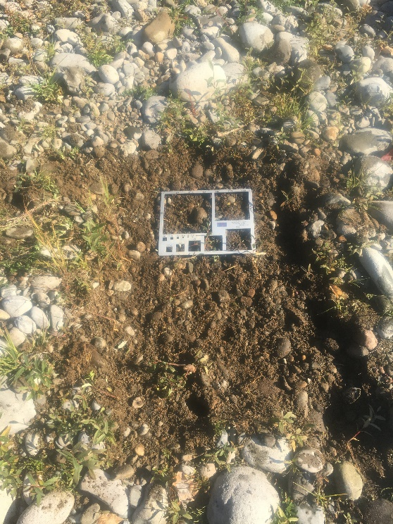

 | Distribution Statistic Points (Percent Finer)
0.16 | D16 | 2.9 | mm
0.5 | D50 | 6.3 | mm
0.84 | D84 | 16.4 | mm
 |  | Assumes a linear interpolation
 | Pebble Count Data
 | Count | Percent Finer
< 2 | 7 | 0%
2 - 4 | 19 | 7%
4 - 5.6 | 17 | 27%
5.6 - 8 | 22 | 44%
8 - 11 | 8 | 66%
11 - 16 | 9 | 74%
16 - 22.6 | 6 | 84%
22.6 - 32 | 3 | 90%
32 - 45 | 3 | 93%
45 - 64 | 3 | 96%
64 - 90 | 1 | 99%
90 - 128 |  | 100%
128 - 180 |  | 100%
180 - 256 |  | 100%
> 256
 | Class (Wentworth) | Size Class (mm) | Count | Percent Finer
1 | Sand | < 2 | 7 | 0%
2 | Very Fine Gravel | 2 - 4 | 19 | 7%
4 | Fine Gravel | 4 - 5.6 | 17 | 27%
5.6 | Fine Gravel | 5.6 - 8 | 22 | 44%
8 | Medium Gravel | 8 - 11 | 8 | 66%
11 | Medium Gravel | 11 - 16 | 9 | 74%
16 | Coarse Gravel | 16 - 22.6 | 6 | 84%
22.6 | Coarse Gravel | 22.6 - 32 | 3 | 90%
32 | Very Coarse Gravel | 32 - 45 | 3 | 93%
45 | Very Coarse Gravel | 45 - 64 | 3 | 96%
64 | Small Cobble | 64 - 90 | 1 | 99%
90 | Small Cobble | 90 - 128 |  | 100%
128 | Large Cobble | 128 - 180 |  | 100%
180 | Small Boulders | 180 - 256 |  | 100%
256 | Boulders | > 256 |  | 100%
 |  | Total | 98

PM4-Sub
 | Sediment Grain Size Analysis
 | EF Lewis River | Stream |  |  | 2018-10-18 | Date |  | PK/Matt | Personnel
 | PM4 | Identifier / Unit |  |  |  | Location
 | Main Channel Pool Tailout | Longitudinal Description (Pool, Riffle, Bend, Crossing, etc.) |  |  | 45.816039 | Latitude or Northing
 | Sub-surface | Sample Type: Surface or Sub-surface |  |  | -122.618059 | Longitude or Easting
 |  | Dominant / Subdominant Substrate |  |  |  | Waypoint

 | Notes
 | Text |  |  | Photo | PM4_Subsurface.jpg |  | Photo | PM4Subsurface_SurfaceDownstream.jpg
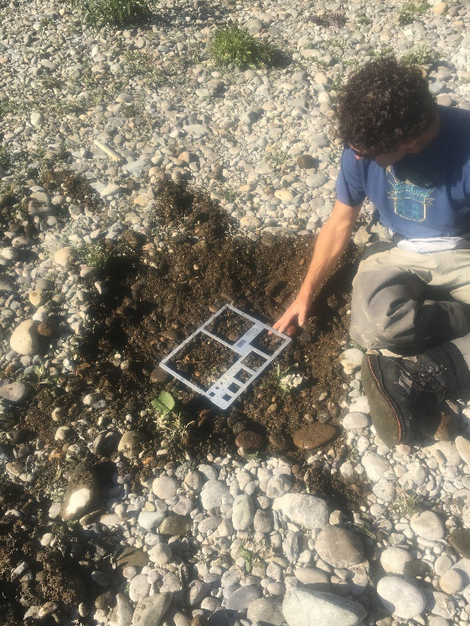
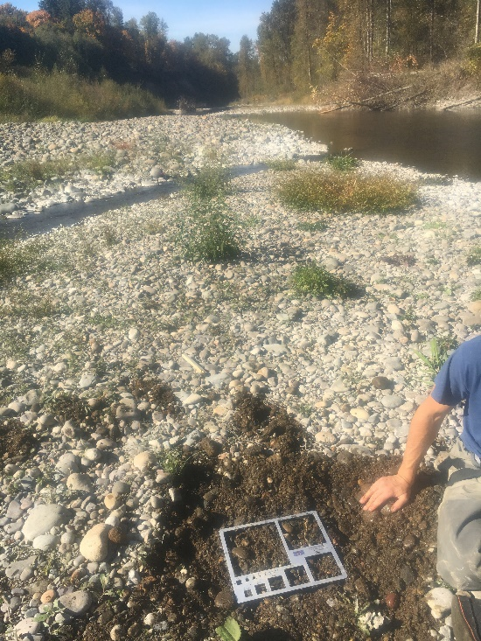

 | Distribution Statistic Points (Percent Finer)
0.16 | D16 | 2.6 | mm
0.5 | D50 | 4.7 | mm
0.84 | D84 | 24.4 | mm
 |  | Assumes a linear interpolation
 | Pebble Count Data
 | Count | Percent Finer
< 2 | 4 | 0%
2 - 4 | 41 | 4%
4 - 5.6 | 11 | 45%
5.6 - 8 | 7 | 56%
8 - 11 | 2 | 63%
11 - 16 | 5 | 65%
16 - 22.6 | 11 | 70%
22.6 - 32 | 10 | 81%
32 - 45 | 3 | 91%
45 - 64 | 4 | 94%
64 - 90 | 1 | 98%
90 - 128 | 1 | 99%
128 - 180 |  | 100%
180 - 256 |  | 100%
> 256
 | Class (Wentworth) | Size Class (mm) | Count | Percent Finer
1 | Sand | < 2 | 4 | 0%
2 | Very Fine Gravel | 2 - 4 | 41 | 4%
4 | Fine Gravel | 4 - 5.6 | 11 | 45%
5.6 | Fine Gravel | 5.6 - 8 | 7 | 56%
8 | Medium Gravel | 8 - 11 | 2 | 63%
11 | Medium Gravel | 11 - 16 | 5 | 65%
16 | Coarse Gravel | 16 - 22.6 | 11 | 70%
22.6 | Coarse Gravel | 22.6 - 32 | 10 | 81%
32 | Very Coarse Gravel | 32 - 45 | 3 | 91%
45 | Very Coarse Gravel | 45 - 64 | 4 | 94%
64 | Small Cobble | 64 - 90 | 1 | 98%
90 | Small Cobble | 90 - 128 | 1 | 99%
128 | Large Cobble | 128 - 180 |  | 100%
180 | Small Boulders | 180 - 256 |  | 100%
256 | Boulders | > 256 |  | 100%
 |  | Total | 100

PM5-Sub
 | Sediment Grain Size Analysis
 | EF Lewis River | Stream |  |  | 2018-10-18 | Date |  | PK/Matt | Personnel
 | PM5 | Identifier / Unit |  |  |  | Location
 | Secondary Channel - Floodplain | Longitudinal Description (Pool, Riffle, Bend, Crossing, etc.) |  |  | 45.817369 | Latitude or Northing
 | Sub-surface | Sample Type: Surface or Sub-surface |  |  | -122.622199 | Longitude or Easting
 |  | Dominant / Subdominant Substrate |  |  |  | Waypoint

 | Notes
 | Text |  |  | Photo | PM5_Subsurface.jpg |  | Photo
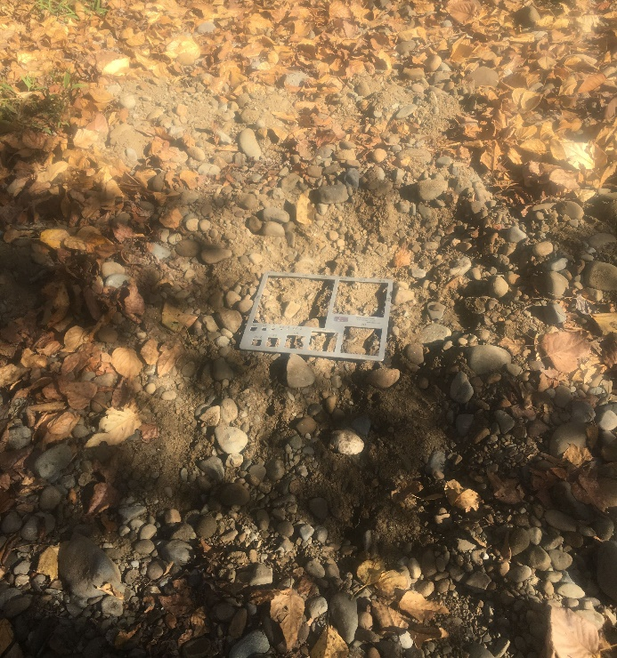

 | Distribution Statistic Points (Percent Finer)
0.16 | PM5 | 2.0 | mm
0.5 | D50 | 3.8 | mm
0.84 | D84 | 17.1 | mm
 |  | Assumes a linear interpolation
 | Pebble Count Data
 | Count | Percent Finer
< 2 | 16 | 0%
2 - 4 | 37 | 16%
4 - 5.6 | 13 | 54%
5.6 - 8 | 5 | 67%
8 - 11 | 4 | 72%
11 - 16 | 9 | 76%
16 - 22.6 | 4 | 85%
22.6 - 32 | 5 | 89%
32 - 45 | 4 | 94%
45 - 64 | 2 | 98%
64 - 90 |  | 100%
90 - 128 |  | 100%
128 - 180 |  | 100%
180 - 256 |  | 100%
> 256
 | Class (Wentworth) | Size Class (mm) | Count | Percent Finer
1 | Sand | < 2 | 16 | 0%
2 | Very Fine Gravel | 2 - 4 | 37 | 16%
4 | Fine Gravel | 4 - 5.6 | 13 | 54%
5.6 | Fine Gravel | 5.6 - 8 | 5 | 67%
8 | Medium Gravel | 8 - 11 | 4 | 72%
11 | Medium Gravel | 11 - 16 | 9 | 76%
16 | Coarse Gravel | 16 - 22.6 | 4 | 85%
22.6 | Coarse Gravel | 22.6 - 32 | 5 | 89%
32 | Very Coarse Gravel | 32 - 45 | 4 | 94%
45 | Very Coarse Gravel | 45 - 64 | 2 | 98%
64 | Small Cobble | 64 - 90 |  | 100%
90 | Small Cobble | 90 - 128 |  | 100%
128 | Large Cobble | 128 - 180 |  | 100%
180 | Small Boulders | 180 - 256 |  | 100%
256 | Boulders | > 256 |  | 100%
 |  | Total | 99

PM1
 | Sediment Grain Size Analysis
 | EF Lewis River | Stream |  |  | 2018-10-18 | Date |  | PK/Matt | Personnel
 | PM1-Surface | Identifier / Unit |  |  |  | Location
 | Main Channel Bar Deposit | Longitudinal Description (Pool, Riffle, Bend, Crossing, etc.) |  |  | 45.811971 | Latitude or Northing
 | Surface | Sample Type: Surface or Sub-surface |  |  | -122.598658 | Longitude or Easting
 |  | Dominant / Subdominant Substrate |  |  |  | Waypoint

 | Notes
 |  |  |  | Photo | PM1_SurfaceDownstream.jpg |  | Photo | PM1_SurfaceUpstream.jpg
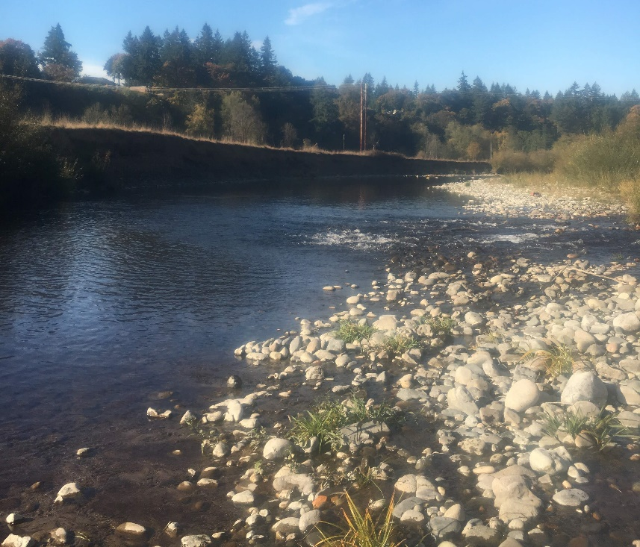
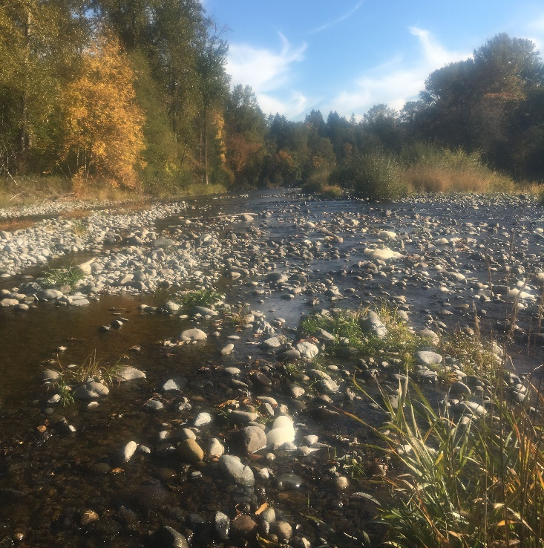

 | Distribution Statistic Points (Percent Finer)
0.16 | PM5 | 15.8 | mm
0.5 | D50 | 59.0 | mm
0.84 | D84 | 125.9 | mm
 |  | Assumes a linear interpolation
 | Pebble Count Data
 | Count | Percent Finer
< 2 |  | 0%
2 - 4 | 3 | 0%
4 - 5.6 | 7 | 3%
5.6 - 8 |  | 10%
8 - 11 | 2 | 10%
11 - 16 | 4 | 12%
16 - 22.6 | 3 | 16%
22.6 - 32 | 7 | 19%
32 - 45 | 11 | 26%
45 - 64 | 17 | 37%
64 - 90 | 15 | 55%
90 - 128 | 15 | 70%
128 - 180 | 11 | 85%
180 - 256 | 4 | 96%
> 256
 | Class (Wentworth) | Size Class (mm) | Count | Percent Finer
1 | Sand | < 2 |  | 0%
2 | Very Fine Gravel | 2 - 4 | 3 | 0%
4 | Fine Gravel | 4 - 5.6 | 7 | 3%
5.6 | Fine Gravel | 5.6 - 8 |  | 10%
8 | Medium Gravel | 8 - 11 | 2 | 10%
11 | Medium Gravel | 11 - 16 | 4 | 12%
16 | Coarse Gravel | 16 - 22.6 | 3 | 16%
22.6 | Coarse Gravel | 22.6 - 32 | 7 | 19%
32 | Very Coarse Gravel | 32 - 45 | 11 | 26%
45 | Very Coarse Gravel | 45 - 64 | 17 | 37%
64 | Small Cobble | 64 - 90 | 15 | 55%
90 | Small Cobble | 90 - 128 | 15 | 70%
128 | Large Cobble | 128 - 180 | 11 | 85%
180 | Small Boulders | 180 - 256 | 4 | 96%
256 | Boulders | > 256 |  | 100%
 |  | Total | 99

PM2
 | Sediment Grain Size Analysis
 | EF Lewis River | Stream |  |  | 2018-10-18 | Date |  | PK/Matt | Personnel
 | PM2-Surface | Identifier / Unit |  |  |  | Location
 | Main Channel Bar Deposit / Pool Tailout | Longitudinal Description (Pool, Riffle, Bend, Crossing, etc.) |  |  | 45.81276 | Latitude or Northing
 | Surface | Sample Type: Surface or Sub-surface |  |  | -122.608541 | Longitude or Easting
 |  | Dominant / Subdominant Substrate |  |  |  | Waypoint

 | Notes
 | Main channel braided section |  |  | Photo | PM2_SurfaceReference.jpg |  | Photo | PM2_SurfaceUpstream.jpg
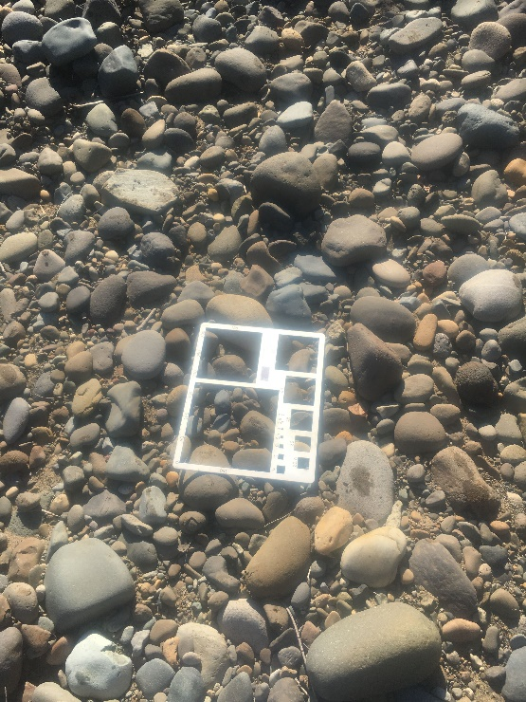
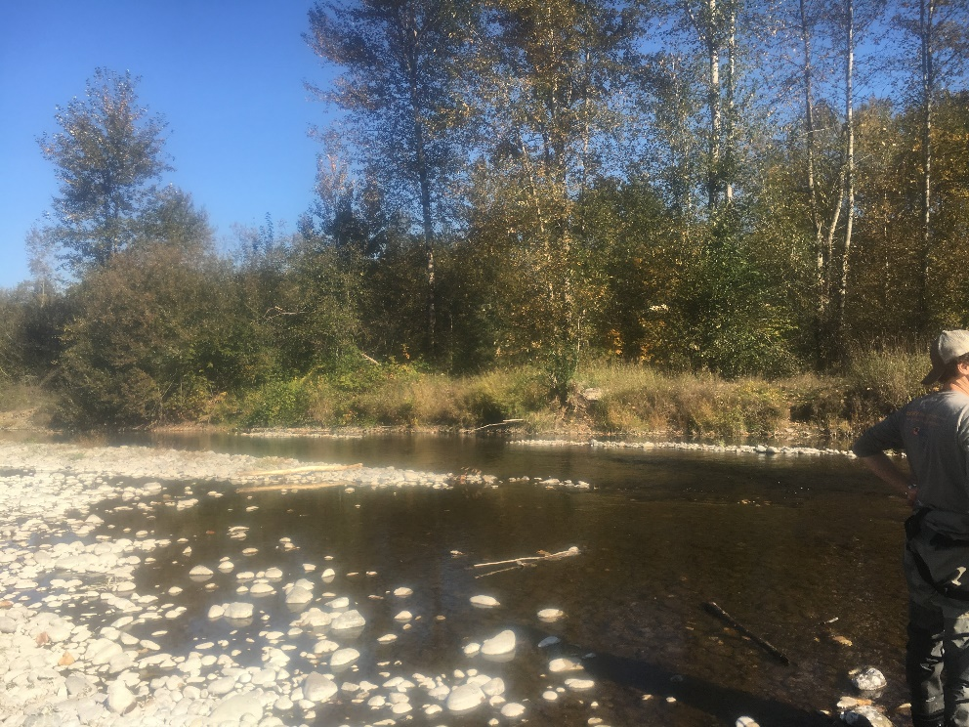

 | Distribution Statistic Points (Percent Finer)
0.16 | PM5 | 11.0 | mm
0.5 | D50 | 57.7 | mm
0.84 | D84 | 100.9 | mm
 |  | Assumes a linear interpolation
 | Pebble Count Data
 | Count | Percent Finer
< 2 |  | 0%
2 - 4 | 10 | 0%
4 - 5.6 | 2 | 10%
5.6 - 8 |  | 12%
8 - 11 | 4 | 12%
11 - 16 | 1 | 16%
16 - 22.6 | 1 | 17%
22.6 - 32 | 8 | 18%
32 - 45 | 12 | 26%
45 - 64 | 18 | 38%
64 - 90 | 24 | 56%
90 - 128 | 14 | 80%
128 - 180 | 5 | 94%
180 - 256 | 1 | 99%
> 256 | 0
 | Class (Wentworth) | Size Class (mm) | Count | Percent Finer
1 | Sand | < 2 |  | 0%
2 | Very Fine Gravel | 2 - 4 | 10 | 0%
4 | Fine Gravel | 4 - 5.6 | 2 | 10%
5.6 | Fine Gravel | 5.6 - 8 |  | 12%
8 | Medium Gravel | 8 - 11 | 4 | 12%
11 | Medium Gravel | 11 - 16 | 1 | 16%
16 | Coarse Gravel | 16 - 22.6 | 1 | 17%
22.6 | Coarse Gravel | 22.6 - 32 | 8 | 18%
32 | Very Coarse Gravel | 32 - 45 | 12 | 26%
45 | Very Coarse Gravel | 45 - 64 | 18 | 38%
64 | Small Cobble | 64 - 90 | 24 | 56%
90 | Small Cobble | 90 - 128 | 14 | 80%
128 | Large Cobble | 128 - 180 | 5 | 94%
180 | Small Boulders | 180 - 256 | 1 | 99%
256 | Boulders | > 256 | 0 | 100%
 |  | Total | 100

PM3
 | Sediment Grain Size Analysis
 | EF Lewis River | Stream |  |  | 2018-10-18 | Date |  | PK/Matt | Personnel
 | PM3-Surface | Identifier / Unit |  |  |  | Location
 | Main Channel Bar Deposit | Longitudinal Description (Pool, Riffle, Bend, Crossing, etc.) |  |  | -122.612459 45.816250 | Latitude or Northing
 | Surface | Sample Type: Surface or Sub-surface |  |  | -122.612459 45.816250 | Longitude or Easting
 |  | Dominant / Subdominant Substrate |  |  |  | Waypoint

 | Notes
 | Text |  |  | Photo | PM3_SurfaceSandReference.jpg |  | Photo | PM3_SurfaceUpstream.jpg
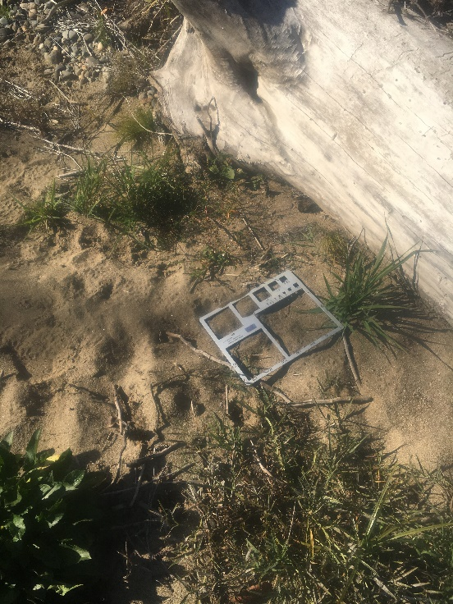
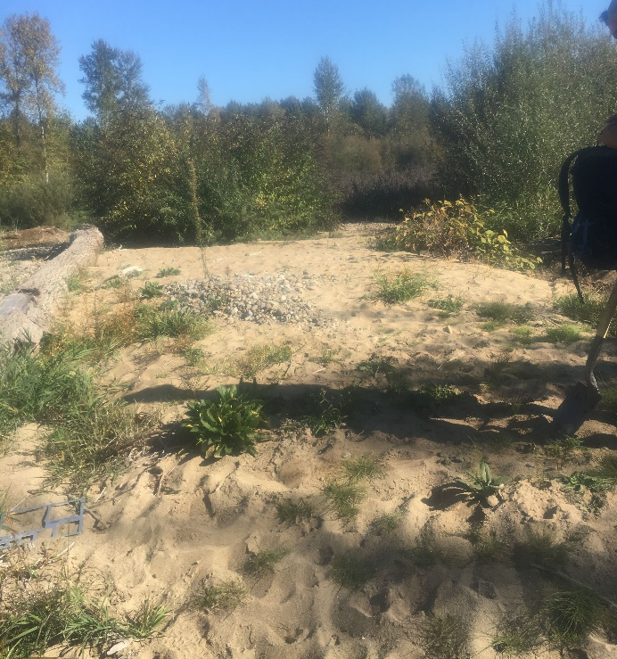

 | Distribution Statistic Points (Percent Finer)
0.16 | PM5 | 1.8 | mm
0.5 | D50 | 24.0 | mm
0.84 | D84 | 73.4 | mm
 |  | Assumes a linear interpolation
 | Pebble Count Data
 | Count | Percent Finer
< 2 | 20 | 0%
2 - 4 | 11 | 19%
4 - 5.6 |  | 30%
5.6 - 8 | 1 | 30%
8 - 11 | 2 | 31%
11 - 16 | 6 | 33%
16 - 22.6 | 10 | 39%
22.6 - 32 | 10 | 49%
32 - 45 | 7 | 58%
45 - 64 | 13 | 65%
64 - 90 | 18 | 78%
90 - 128 | 4 | 95%
128 - 180 | 1 | 99%
180 - 256 |  | 100%
> 256
 | Class (Wentworth) | Size Class (mm) | Count | Percent Finer
1 | Sand | < 2 | 20 | 0%
2 | Very Fine Gravel | 2 - 4 | 11 | 19%
4 | Fine Gravel | 4 - 5.6 |  | 30%
5.6 | Fine Gravel | 5.6 - 8 | 1 | 30%
8 | Medium Gravel | 8 - 11 | 2 | 31%
11 | Medium Gravel | 11 - 16 | 6 | 33%
16 | Coarse Gravel | 16 - 22.6 | 10 | 39%
22.6 | Coarse Gravel | 22.6 - 32 | 10 | 49%
32 | Very Coarse Gravel | 32 - 45 | 7 | 58%
45 | Very Coarse Gravel | 45 - 64 | 13 | 65%
64 | Small Cobble | 64 - 90 | 18 | 78%
90 | Small Cobble | 90 - 128 | 4 | 95%
128 | Large Cobble | 128 - 180 | 1 | 99%
180 | Small Boulders | 180 - 256 |  | 100%
256 | Boulders | > 256 |  | 100%
 |  | Total | 103

PM4
 | Sediment Grain Size Analysis
 | EF Lewis River | Stream |  |  | 2018-10-18 | Date |  | PK/Matt | Personnel
 | PM4-Surface | Identifier / Unit |  |  |  | Location
 | Main Channel Pool Tailout | Longitudinal Description (Pool, Riffle, Bend, Crossing, etc.) |  |  | 45.816382 | Latitude or Northing
 | Surface | Sample Type: Surface or Sub-surface |  |  | -122.619471 | Longitude or Easting
 |  | Dominant / Subdominant Substrate |  |  |  | Waypoint

 | Notes
 | Text |  |  | Photo |  |  | Photo | PM4Subsurface_SurfaceDownstream.jpg
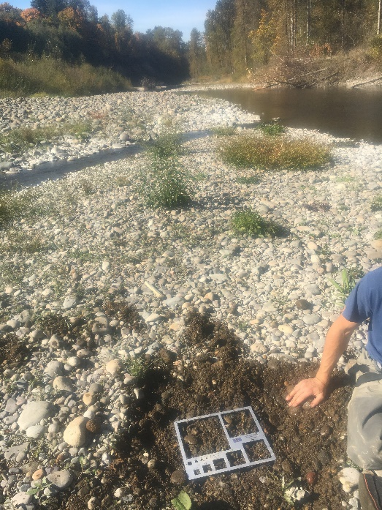

 | Distribution Statistic Points (Percent Finer)
0.16 | PM5 | 25.1 | mm
0.5 | D50 | 60.7 | mm
0.84 | D84 | 150.2 | mm
 |  | Assumes a linear interpolation
 | Pebble Count Data
 | Count | Percent Finer
< 2 | 1 | 0%
2 - 4 |  | 1%
4 - 5.6 |  | 1%
5.6 - 8 |  | 1%
8 - 11 |  | 1%
11 - 16 | 6 | 1%
16 - 22.6 | 7 | 7%
22.6 - 32 | 8 | 14%
32 - 45 | 12 | 22%
45 - 64 | 20 | 34%
64 - 90 | 18 | 53%
90 - 128 | 9 | 71%
128 - 180 | 9 | 80%
180 - 256 | 6 | 89%
> 256 | 5
 | Class (Wentworth) | Size Class (mm) | Count | Percent Finer
1 | Sand | < 2 | 1 | 0%
2 | Very Fine Gravel | 2 - 4 |  | 1%
4 | Fine Gravel | 4 - 5.6 |  | 1%
5.6 | Fine Gravel | 5.6 - 8 |  | 1%
8 | Medium Gravel | 8 - 11 |  | 1%
11 | Medium Gravel | 11 - 16 | 6 | 1%
16 | Coarse Gravel | 16 - 22.6 | 7 | 7%
22.6 | Coarse Gravel | 22.6 - 32 | 8 | 14%
32 | Very Coarse Gravel | 32 - 45 | 12 | 22%
45 | Very Coarse Gravel | 45 - 64 | 20 | 34%
64 | Small Cobble | 64 - 90 | 18 | 53%
90 | Small Cobble | 90 - 128 | 9 | 71%
128 | Large Cobble | 128 - 180 | 9 | 80%
180 | Small Boulders | 180 - 256 | 6 | 89%
256 | Boulders | > 256 | 5 | 95%
 |  | Total | 101

PM5
 | Sediment Grain Size Analysis
 | EF Lewis River | Stream |  |  | 2018-10-18 | Date |  | PK/Matt | Personnel
 | PM5-Surface | Identifier / Unit |  |  |  | Location
 |  | Longitudinal Description (Pool, Riffle, Bend, Crossing, etc.) |  |  |  | Latitude or Northing
 | Surface | Sample Type: Surface or Sub-surface |  |  |  | Longitude or Easting
 |  | Dominant / Subdominant Substrate |  |  |  | Waypoint

 | Notes
 | Text |  |  | Photo | PM5_SurfaceDownstream.jpg |  | Photo | PM5_SurfaceUpstream.jpg
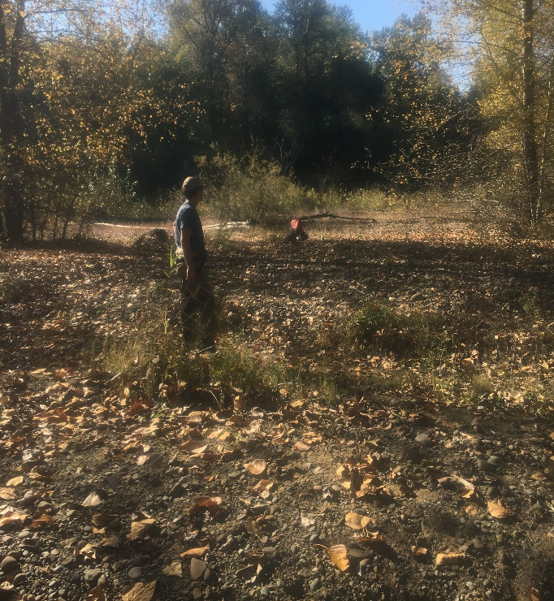
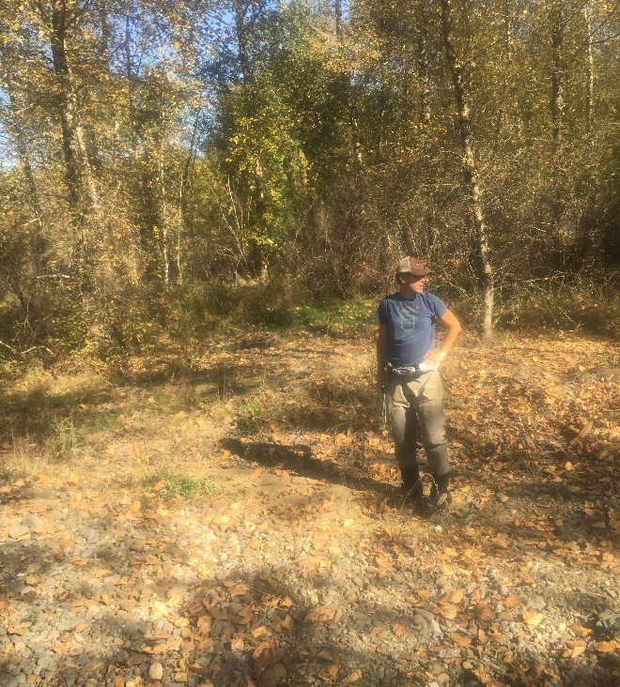

 | Distribution Statistic Points (Percent Finer)
0.16 | PM5 | 1.8 | mm
0.5 | D50 | 10.5 | mm
0.84 | D84 | 37.4 | mm
 |  | Assumes a linear interpolation
 | Pebble Count Data
 | Count | Percent Finer
< 2 | 20 | 0%
2 - 4 | 14 | 20%
4 - 5.6 | 6 | 34%
5.6 - 8 | 5 | 40%
8 - 11 | 6 | 45%
11 - 16 | 5 | 51%
16 - 22.6 | 13 | 56%
22.6 - 32 | 10 | 69%
32 - 45 | 12 | 79%
45 - 64 | 6 | 91%
64 - 90 | 2 | 97%
90 - 128 | 1 | 99%
128 - 180 |  | 100%
180 - 256 |  | 100%
> 256
 | Class (Wentworth) | Size Class (mm) | Count | Percent Finer
1 | Sand | < 2 | 20 | 0%
2 | Very Fine Gravel | 2 - 4 | 14 | 20%
4 | Fine Gravel | 4 - 5.6 | 6 | 34%
5.6 | Fine Gravel | 5.6 - 8 | 5 | 40%
8 | Medium Gravel | 8 - 11 | 6 | 45%
11 | Medium Gravel | 11 - 16 | 5 | 51%
16 | Coarse Gravel | 16 - 22.6 | 13 | 56%
22.6 | Coarse Gravel | 22.6 - 32 | 10 | 69%
32 | Very Coarse Gravel | 32 - 45 | 12 | 79%
45 | Very Coarse Gravel | 45 - 64 | 6 | 91%
64 | Small Cobble | 64 - 90 | 2 | 97%
90 | Small Cobble | 90 - 128 | 1 | 99%
128 | Large Cobble | 128 - 180 |  | 100%
180 | Small Boulders | 180 - 256 |  | 100%
256 | Boulders | > 256 |  | 100%
 |  | Total | 100

PM6
 | Sediment Grain Size Analysis
 | EF Lewis River | Stream |  |  | 2018-10-18 | Date |  | PK/Matt | Personnel
 | PM6-Surface | Identifier / Unit |  |  |  | Location
 | Secondary Channel | Longitudinal Description (Pool, Riffle, Bend, Crossing, etc.) |  |  | 45.819391 | Latitude or Northing
 | Surface | Sample Type: Surface or Sub-surface |  |  | -122.614461 | Longitude or Easting
 |  | Dominant / Subdominant Substrate |  |  |  | Waypoint

 | Notes
 | Text |  |  | Photo | PM6Surface_Downstream.jpg |  | Photo | PM6Surface_Upstream.jpg
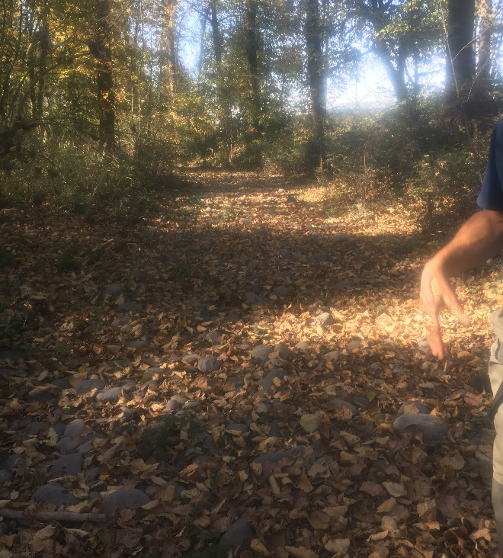
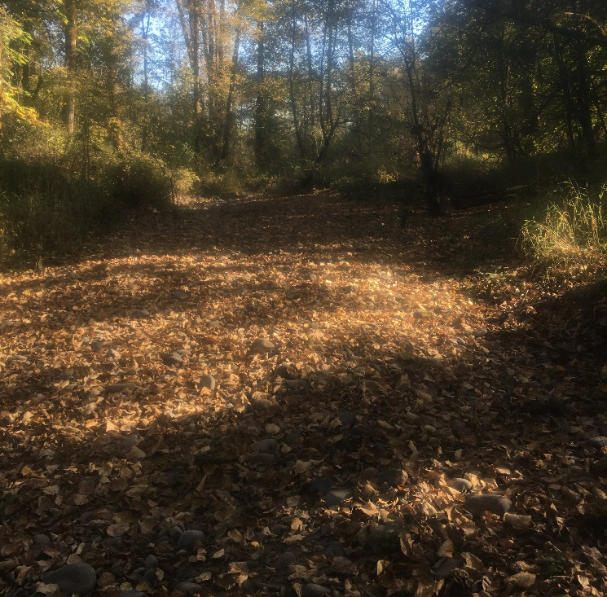

 | Distribution Statistic Points (Percent Finer)
0.16 | PM5 | 1.4 | mm
0.5 | D50 | 11.0 | mm
0.84 | D84 | 78.8 | mm
 |  | Assumes a linear interpolation
 | Pebble Count Data
 | Count | Percent Finer
< 2 | 36 | 0%
2 - 4 | 12 | 36%
4 - 5.6 | 1 | 48%
5.6 - 8 | 1 | 49%
8 - 11 |  | 50%
11 - 16 | 1 | 50%
16 - 22.6 | 1 | 50%
22.6 - 32 | 6 | 51%
32 - 45 | 11 | 57%
45 - 64 | 9 | 68%
64 - 90 | 12 | 77%
90 - 128 | 3 | 89%
128 - 180 | 5 | 92%
180 - 256 | 3 | 97%
> 256
 | Class (Wentworth) | Size Class (mm) | Count | Percent Finer
1 | Sand | < 2 | 36 | 0%
2 | Very Fine Gravel | 2 - 4 | 12 | 36%
4 | Fine Gravel | 4 - 5.6 | 1 | 48%
5.6 | Fine Gravel | 5.6 - 8 | 1 | 49%
8 | Medium Gravel | 8 - 11 |  | 50%
11 | Medium Gravel | 11 - 16 | 1 | 50%
16 | Coarse Gravel | 16 - 22.6 | 1 | 50%
22.6 | Coarse Gravel | 22.6 - 32 | 6 | 51%
32 | Very Coarse Gravel | 32 - 45 | 11 | 57%
45 | Very Coarse Gravel | 45 - 64 | 9 | 68%
64 | Small Cobble | 64 - 90 | 12 | 77%
90 | Small Cobble | 90 - 128 | 3 | 89%
128 | Large Cobble | 128 - 180 | 5 | 92%
180 | Small Boulders | 180 - 256 | 3 | 97%
256 | Boulders | > 256 |  | 100%
 |  | Total | 101

KN2-Sub
 | Sediment Grain Size Analysis
 | EF Lewis River | Stream |  |  | 2018-10-18 | Date |  | KM / Niko | Personnel
 | KN2 | Identifier / Unit |  |  |  | Location
 | Gravel Bar | Longitudinal Description (Pool, Riffle, Bend, Crossing, etc.) |  |  | 45.827759 | Latitude or Northing
 | Sub-surface | Sample Type: Surface or Sub-surface |  |  | -122.633011 | Longitude or Easting
 | Gravel / Cobble | Dominant / Subdominant Substrate |  |  |  | Waypoint

 | Notes
 |  |  |  | Photo | field_4-20181018-181420.jpg |  | Photo | field_12-20181018-182302.jpg
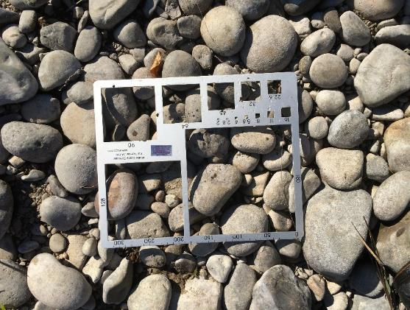
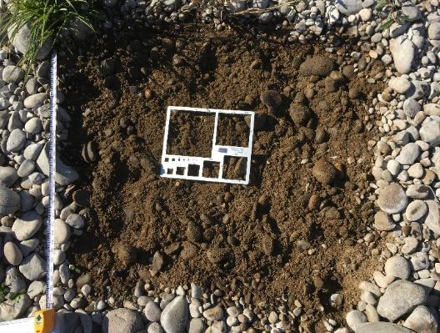

 | Distribution Statistic Points (Percent Finer)
0.16 | D16 | -70.1 | mm
0.5 | D50 | #DIV/0! | mm
0.84 | D84 | -326.0 | mm
 |  | Assumes a linear interpolation
 | Pebble Count Data
 | Count | Percent Finer
< 2 | 15 | 0%
2 - 4 | 1 | 15%
4 - 5.6 | 8 | 16%
5.6 - 8 | 8 | 24%
8 - 11 | 17 | 32%
11 - 16 | 21 | 49%
16 - 22.6 | 15 | 70%
22.6 - 32 | 7 | 85%
32 - 45 | 7 | 92%
45 - 64 |  | 99%
64 - 90 | 1 | 99%
90 - 128 |  | 100%
128 - 180 |  | 100%
180 - 256 |  | 100%
> 256
 | Class (Wentworth) | Size Class (mm) | Count | Percent Finer
1 | Sand | < 2 | 15 | 0%
2 | Very Fine Gravel | 2 - 4 | 1 | 15%
4 | Fine Gravel | 4 - 5.6 | 8 | 16%
5.6 | Fine Gravel | 5.6 - 8 | 8 | 24%
8 | Medium Gravel | 8 - 11 | 17 | 32%
11 | Medium Gravel | 11 - 16 | 21 | 49%
16 | Coarse Gravel | 16 - 22.6 | 15 | 70%
22.6 | Coarse Gravel | 22.6 - 32 | 7 | 85%
32 | Very Coarse Gravel | 32 - 45 | 7 | 92%
45 | Very Coarse Gravel | 45 - 64 |  | 99%
64 | Small Cobble | 64 - 90 | 1 | 99%
90 | Small Cobble | 90 - 128 |  | 100%
128 | Large Cobble | 128 - 180 |  | 100%
180 | Small Boulders | 180 - 256 |  | 100%
256 | Boulders | > 256 |  | 100%
 |  | Total | 100

KN6-Sub
 | Sediment Grain Size Analysis
 | EF Lewis River | Stream |  |  |  | 2018-10-18 | Date |  |  | KM / Niko | Personnel
 | KN6 | Identifier / Unit |  |  |  |  | Location
 | Bar Deposit | Longitudinal Description (Pool, Riffle, Bend, Crossing, etc.) |  |  |  | 45.819065 | Latitude or Northing
 | Sub-Surface | Sample Type: Surface or Sub-surface |  |  |  | -122.626668 | Longitude or Easting
 | Gravel / Sand | Dominant / Subdominant Substrate |  |  |  |  | Waypoint

 | Notes
 | Thin armor layer, lots of sand |  |  | Photo | KN6subcount_armor_removed_pre_mix.JPG |  |  | Photo | KN6subcount_armor_removed_post_mix.JPG
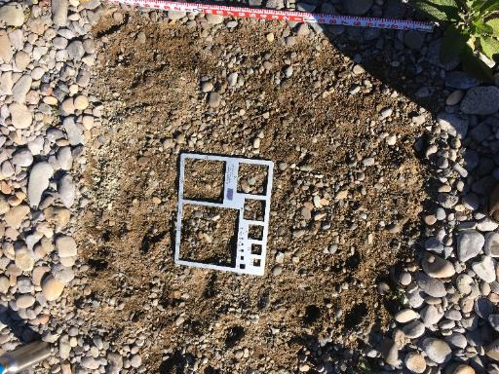
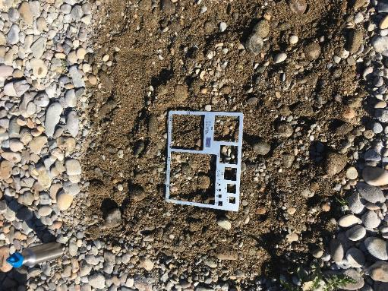

 |  |  |  |  |  | 0

 | Distribution Statistic Points (Percent Finer)
0.16 | D16 | 7.7 | mm
0.5 | D50 | 14.1 | mm
0.84 | D84 | 29.7 | mm
 |  | Assumes a linear interpolation
 | Pebble Count Data
 | Count | Percent Finer
< 2 |  | 0%
2 - 4 | 1 | 0%
4 - 5.6 | 5 | 1%
5.6 - 8 | 8 | 7%
8 - 11 | 14 | 17%
11 - 16 | 20 | 35%
16 - 22.6 | 14 | 59%
22.6 - 32 | 8 | 77%
32 - 45 | 10 | 86%
45 - 64 | 1 | 99%
64 - 90 |  | 100%
90 - 128 |  | 100%
128 - 180 |  | 100%
180 - 256 |  | 100%
> 256
 | Class (Wentworth) | Size Class (mm) | Count | Percent Finer
1 | Sand | < 2 |  | 0%
2 | Very Fine Gravel | 2 - 4 | 1 | 0%
4 | Fine Gravel | 4 - 5.6 | 5 | 1%
5.6 | Fine Gravel | 5.6 - 8 | 8 | 7%
8 | Medium Gravel | 8 - 11 | 14 | 17%
11 | Medium Gravel | 11 - 16 | 20 | 35%
16 | Coarse Gravel | 16 - 22.6 | 14 | 59%
22.6 | Coarse Gravel | 22.6 - 32 | 8 | 77%
32 | Very Coarse Gravel | 32 - 45 | 10 | 86%
45 | Very Coarse Gravel | 45 - 64 | 1 | 99%
64 | Small Cobble | 64 - 90 |  | 100%
90 | Small Cobble | 90 - 128 |  | 100%
128 | Large Cobble | 128 - 180 |  | 100%
180 | Small Boulders | 180 - 256 |  | 100%
256 | Boulders | > 256 |  | 100%
 |  | Total | 81

KN8-Sub
 | Sediment Grain Size Analysis
 | EF Lewis River | Stream |  |  | 2018-10-18 | Date |  | KM / Niko | Personnel
 | KN8 | Identifier / Unit |  |  |  | Location
 |  | Longitudinal Description (Pool, Riffle, Bend, Crossing, etc.) |  |  | 45.819694 | Latitude or Northing
 | Sub-Surface | Sample Type: Surface or Sub-surface |  |  | -122.625368 | Longitude or Easting
 | Gravel / Sand | Dominant / Subdominant Substrate |  |  |  | Waypoint

 | Notes
 | Lots of fine sand mixed with gravel and cobble |  |  | Photo | KN8subcount_armor_layer.JPG |  | Photo | KN8subcount_armor_removed_pre_mix.JPG
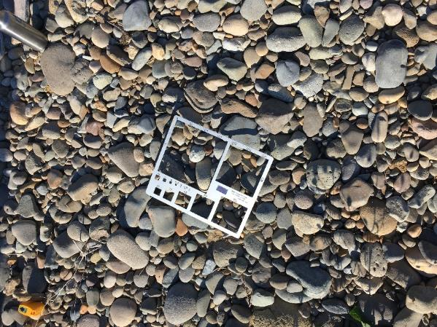
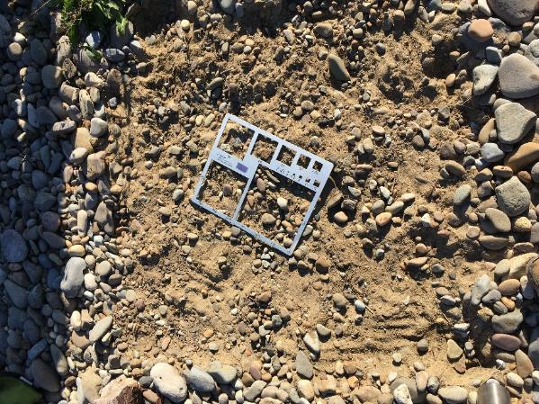

 | Distribution Statistic Points (Percent Finer)
0.16 | D16 | 2.8 | mm
0.5 | D50 | 16.9 | mm
0.84 | D84 | 39.2 | mm
 |  | Assumes a linear interpolation
 | Pebble Count Data
 | Count | Percent Finer
< 2 | 18 | 0%
2 - 4 | 0 | 18%
4 - 5.6 | 2 | 18%
5.6 - 8 | 5 | 20%
8 - 11 | 6 | 25%
11 - 16 | 17 | 31%
16 - 22.6 | 15 | 48%
22.6 - 32 | 16 | 63%
32 - 45 | 9 | 79%
45 - 64 | 8 | 88%
64 - 90 | 4 | 96%
90 - 128 |  | 100%
128 - 180 |  | 100%
180 - 256 |  | 100%
> 256
 | Class (Wentworth) | Size Class (mm) | Count | Percent Finer
1 | Sand | < 2 | 18 | 0%
2 | Very Fine Gravel | 2 - 4 | 0 | 18%
4 | Fine Gravel | 4 - 5.6 | 2 | 18%
5.6 | Fine Gravel | 5.6 - 8 | 5 | 20%
8 | Medium Gravel | 8 - 11 | 6 | 25%
11 | Medium Gravel | 11 - 16 | 17 | 31%
16 | Coarse Gravel | 16 - 22.6 | 15 | 48%
22.6 | Coarse Gravel | 22.6 - 32 | 16 | 63%
32 | Very Coarse Gravel | 32 - 45 | 9 | 79%
45 | Very Coarse Gravel | 45 - 64 | 8 | 88%
64 | Small Cobble | 64 - 90 | 4 | 96%
90 | Small Cobble | 90 - 128 |  | 100%
128 | Large Cobble | 128 - 180 |  | 100%
180 | Small Boulders | 180 - 256 |  | 100%
256 | Boulders | > 256 |  | 100%
 |  | Total | 100

KN1
 | Sediment Grain Size Analysis
 | EF Lewis River | Stream |  |  | 2018-10-18 | Date |  | KM / Niko | Personnel
 | KN1 | Identifier / Unit |  |  |  | Location
 | Riffle | Longitudinal Description (Pool, Riffle, Bend, Crossing, etc.) |  |  | 45.827668 | Latitude or Northing
 | Surface | Sample Type: Surface or Sub-surface |  |  | -122.632556 | Longitude or Easting
 | Gravel / Cobble | Dominant / Subdominant Substrate |  |  |  | Waypoint

 | Notes
 | Diagonal riffle transects, redds upstream in tailout, riffle not in high flow main energy line, pebble count all in water |  |  | Photo | field_6-20181018-180552.jpg |  | Photo | field_5-20181018-175149.jpg
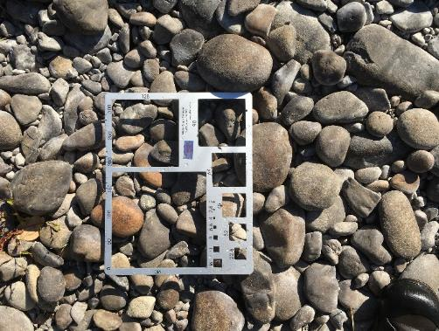
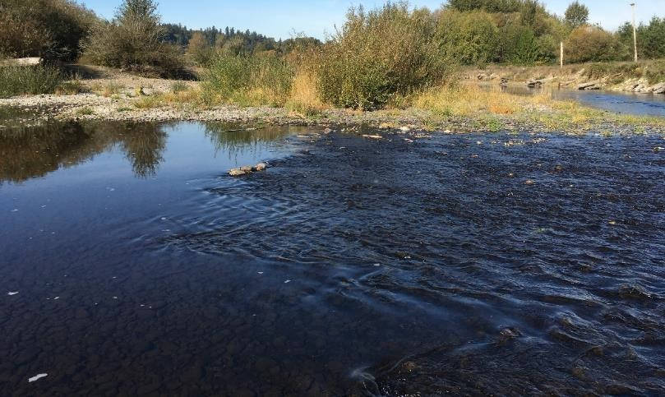

 | Distribution Statistic Points (Percent Finer)
0.16 | D16 | 24.3 | mm
0.5 | D50 | 42.8 | mm
0.84 | D84 | 72.0 | mm
 |  | Assumes a linear interpolation
 | Pebble Count Data
 | Count | Percent Finer
< 2 |  | 0%
2 - 4 |  | 0%
4 - 5.6 |  | 0%
5.6 - 8 |  | 0%
8 - 11 | 1 | 0%
11 - 16 | 5 | 1%
16 - 22.6 | 7 | 6%
22.6 - 32 | 17 | 13%
32 - 45 | 24 | 30%
45 - 64 | 26 | 54%
64 - 90 | 13 | 80%
90 - 128 | 6 | 93%
128 - 180 | 1 | 99%
180 - 256 |  | 100%
> 256
 | Class (Wentworth) | Size Class (mm) | Count | Percent Finer
1 | Sand | < 2 |  | 0%
2 | Very Fine Gravel | 2 - 4 |  | 0%
4 | Fine Gravel | 4 - 5.6 |  | 0%
5.6 | Fine Gravel | 5.6 - 8 |  | 0%
8 | Medium Gravel | 8 - 11 | 1 | 0%
11 | Medium Gravel | 11 - 16 | 5 | 1%
16 | Coarse Gravel | 16 - 22.6 | 7 | 6%
22.6 | Coarse Gravel | 22.6 - 32 | 17 | 13%
32 | Very Coarse Gravel | 32 - 45 | 24 | 30%
45 | Very Coarse Gravel | 45 - 64 | 26 | 54%
64 | Small Cobble | 64 - 90 | 13 | 80%
90 | Small Cobble | 90 - 128 | 6 | 93%
128 | Large Cobble | 128 - 180 | 1 | 99%
180 | Small Boulders | 180 - 256 |  | 100%
256 | Boulders | > 256 |  | 100%
 |  | Total | 100

KN2
 | Sediment Grain Size Analysis
 | EF Lewis River | Stream |  |  | 2018-10-18 | Date |  | KM / Niko | Personnel
 | KN2 | Identifier / Unit |  |  |  | Location
 | Gravel Bar | Longitudinal Description (Pool, Riffle, Bend, Crossing, etc.) |  |  | 45.827759 | Latitude or Northing
 | Surface | Sample Type: Surface or Sub-surface |  |  | -122.633011 | Longitude or Easting
 | Gravel / Cobble | Dominant / Subdominant Substrate |  |  |  | Waypoint

 | Notes
 | Text |  |  | Photo | field_4-20181018-181420.jpg |  | Photo

 | Distribution Statistic Points (Percent Finer)
0.16 | D16 | 28.4 | mm
0.5 | D50 | 45.7 | mm
0.84 | D84 | 73.5 | mm
 |  | Assumes a linear interpolation
 | Pebble Count Data
 | Count | Percent Finer
< 2 |  | 0%
2 - 4 |  | 0%
4 - 5.6 |  | 0%
5.6 - 8 |  | 0%
8 - 11 |  | 0%
11 - 16 | 5 | 0%
16 - 22.6 | 3 | 5%
22.6 - 32 | 13 | 8%
32 - 45 | 28 | 21%
45 - 64 | 27 | 49%
64 - 90 | 22 | 76%
90 - 128 | 1 | 98%
128 - 180 | 1 | 99%
180 - 256 |  | 100%
> 256
 | Class (Wentworth) | Size Class (mm) | Count | Percent Finer
1 | Sand | < 2 |  | 0%
2 | Very Fine Gravel | 2 - 4 |  | 0%
4 | Fine Gravel | 4 - 5.6 |  | 0%
5.6 | Fine Gravel | 5.6 - 8 |  | 0%
8 | Medium Gravel | 8 - 11 |  | 0%
11 | Medium Gravel | 11 - 16 | 5 | 0%
16 | Coarse Gravel | 16 - 22.6 | 3 | 5%
22.6 | Coarse Gravel | 22.6 - 32 | 13 | 8%
32 | Very Coarse Gravel | 32 - 45 | 28 | 21%
45 | Very Coarse Gravel | 45 - 64 | 27 | 49%
64 | Small Cobble | 64 - 90 | 22 | 76%
90 | Small Cobble | 90 - 128 | 1 | 98%
128 | Large Cobble | 128 - 180 | 1 | 99%
180 | Small Boulders | 180 - 256 |  | 100%
256 | Boulders | > 256 |  | 100%
 |  | Total | 100

KN5
 | Sediment Grain Size Analysis
 | EF Lewis River | Stream |  |  | 2018-10-18 | Date |  | KM / Niko | Personnel
 | KN5 | Identifier / Unit |  |  |  | Location
 | Riffle / Bar Deposit | Longitudinal Description (Pool, Riffle, Bend, Crossing, etc.) |  |  | 45.819065 | Latitude or Northing
 | Surface | Sample Type: Surface or Sub-surface |  |  | -122.626668 | Longitude or Easting
 | Gravel / Cobble | Dominant / Subdominant Substrate |  |  |  | Waypoint

 | Notes
 | Narrow riffle with bar, just above entrance to a pit. Sand dune above bar on downstream side. River mile 7.8. |  |  | Photo | KN5surfcount_Ref.JPG |  | Photo | KN5_transect_W.JPG
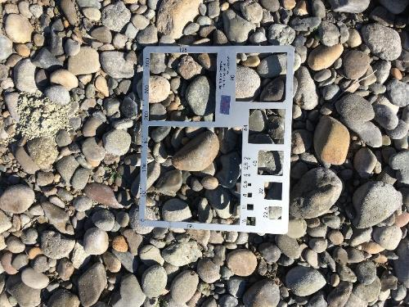
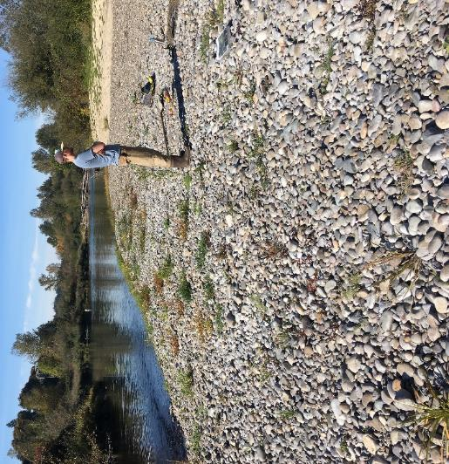

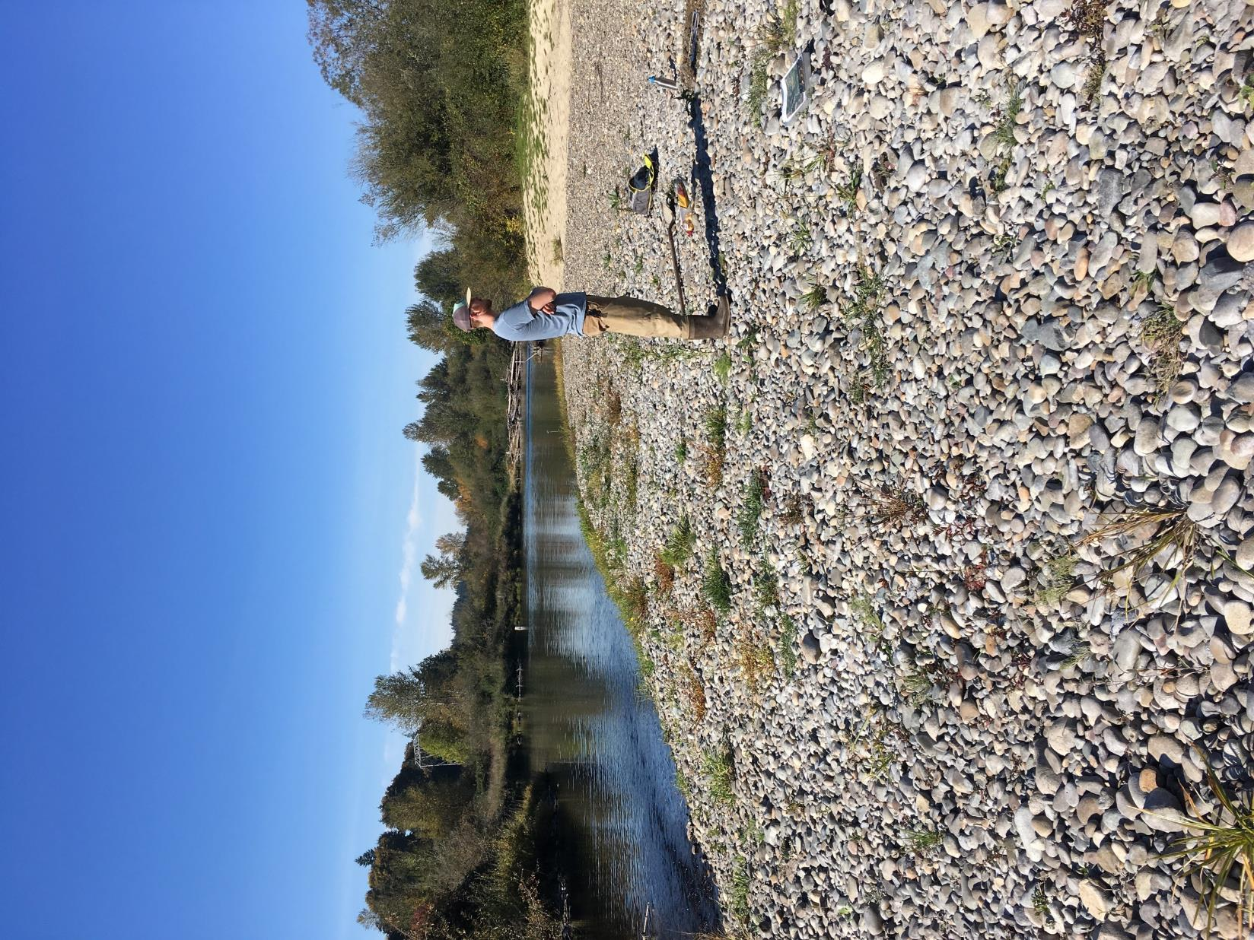
 | Distribution Statistic Points (Percent Finer)
0.16 | D16 | 20.4 | mm
0.5 | D50 | 33.9 | mm
0.84 | D84 | 57.4 | mm
 |  | Assumes a linear interpolation
 | Pebble Count Data
 | Count | Percent Finer
< 2 |  | 0%
2 - 4 |  | 0%
4 - 5.6 |  | 0%
5.6 - 8 |  | 0%
8 - 11 | 2 | 0%
11 - 16 | 4 | 2%
16 - 22.6 | 15 | 6%
22.6 - 32 | 26 | 21%
32 - 45 | 20 | 47%
45 - 64 | 26 | 67%
64 - 90 | 7 | 93%
90 - 128 |  | 100%
128 - 180 |  | 100%
180 - 256 |  | 100%
> 256
 | Class (Wentworth) | Size Class (mm) | Count | Percent Finer
1 | Sand | < 2 |  | 0%
2 | Very Fine Gravel | 2 - 4 |  | 0%
4 | Fine Gravel | 4 - 5.6 |  | 0%
5.6 | Fine Gravel | 5.6 - 8 |  | 0%
8 | Medium Gravel | 8 - 11 | 2 | 0%
11 | Medium Gravel | 11 - 16 | 4 | 2%
16 | Coarse Gravel | 16 - 22.6 | 15 | 6%
22.6 | Coarse Gravel | 22.6 - 32 | 26 | 21%
32 | Very Coarse Gravel | 32 - 45 | 20 | 47%
45 | Very Coarse Gravel | 45 - 64 | 26 | 67%
64 | Small Cobble | 64 - 90 | 7 | 93%
90 | Small Cobble | 90 - 128 |  | 100%
128 | Large Cobble | 128 - 180 |  | 100%
180 | Small Boulders | 180 - 256 |  | 100%
256 | Boulders | > 256 |  | 100%
 |  | Total | 100

KN7
 | Sediment Grain Size Analysis
 | EF Lewis River | Stream |  |  | 2018-10-18 | Date |  | KM / Niko | Personnel
 | KN7 | Identifier / Unit |  |  |  | Location
 |  | Longitudinal Description (Pool, Riffle, Bend, Crossing, etc.) |  |  | 45.819694 | Latitude or Northing
 | Surface | Sample Type: Surface or Sub-surface |  |  | -122.625368 | Longitude or Easting
 | Cobble / Gravel | Dominant / Subdominant Substrate |  |  |  | Waypoint

 | Notes
 | Mid-channel bar deposit in the middle of a floodplain expansion adjacent to riffle, upstream of recent avulsion. Several adult salmon spawning in the riffle. |  |  | Photo | KN7surfcount_Ref.JPG |  | Photo | KN7_transect_W.JPG
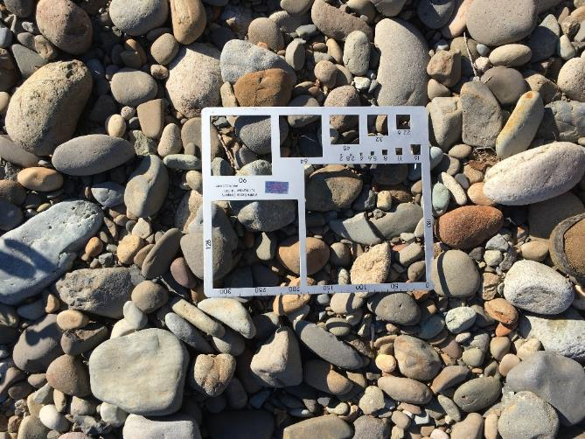
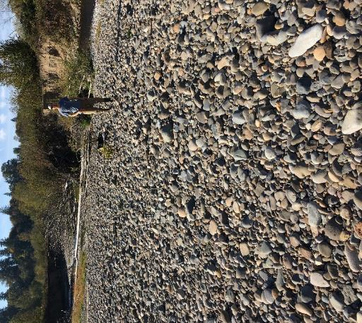

 | Distribution Statistic Points (Percent Finer)
0.16 | D16 | 29.8 | mm
0.5 | D50 | 50.1 | mm
0.84 | D84 | 80.4 | mm
 |  | Assumes a linear interpolation
 | Pebble Count Data
 | Count | Percent Finer
< 2 |  | 0%
2 - 4 |  | 0%
4 - 5.6 |  | 0%
5.6 - 8 |  | 0%
8 - 11 |  | 0%
11 - 16 | 1 | 0%
16 - 22.6 | 2 | 1%
22.6 - 32 | 17 | 3%
32 - 45 | 22 | 20%
45 - 64 | 30 | 42%
64 - 90 | 19 | 72%
90 - 128 | 8 | 91%
128 - 180 | 1 | 99%
180 - 256 |  | 100%
> 256
 | Class (Wentworth) | Size Class (mm) | Count | Percent Finer
1 | Sand | < 2 |  | 0%
2 | Very Fine Gravel | 2 - 4 |  | 0%
4 | Fine Gravel | 4 - 5.6 |  | 0%
5.6 | Fine Gravel | 5.6 - 8 |  | 0%
8 | Medium Gravel | 8 - 11 |  | 0%
11 | Medium Gravel | 11 - 16 | 1 | 0%
16 | Coarse Gravel | 16 - 22.6 | 2 | 1%
22.6 | Coarse Gravel | 22.6 - 32 | 17 | 3%
32 | Very Coarse Gravel | 32 - 45 | 22 | 20%
45 | Very Coarse Gravel | 45 - 64 | 30 | 42%
64 | Small Cobble | 64 - 90 | 19 | 72%
90 | Small Cobble | 90 - 128 | 8 | 91%
128 | Large Cobble | 128 - 180 | 1 | 99%
180 | Small Boulders | 180 - 256 |  | 100%
256 | Boulders | > 256 |  | 100%
 |  | Total | 100

KN9
 | Sediment Grain Size Analysis
 | EF Lewis River | Stream |  |  | 2018-10-18 | Date |  | KM / Niko | Personnel
 | KN9 | Identifier / Unit |  |  |  | Location
 | Riffle / Bar Deposit | Longitudinal Description (Pool, Riffle, Bend, Crossing, etc.) |  |  | 45.81962 | Latitude or Northing
 | Surface | Sample Type: Surface or Sub-surface |  |  | -122.626196 | Longitude or Easting
 | Cobble / Gravel | Dominant / Subdominant Substrate |  |  |  | Waypoint

 | Notes
 | Just bar, no riffle. Last riffle on main channel below pits |  |  | Photo | KN9surfcount_Ref.JPG |  | Photo | KN9_transect_N.JPG
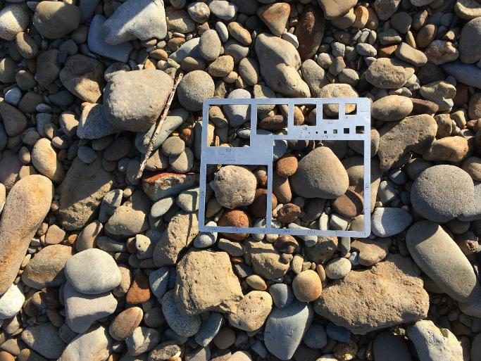
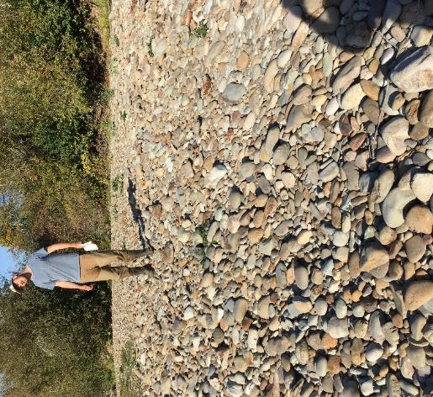

 | Distribution Statistic Points (Percent Finer)
0.16 | D16 | 28.5 | mm
0.5 | D50 | 48.2 | mm
0.84 | D84 | 81.3 | mm
 |  | Assumes a linear interpolation
 | Pebble Count Data
 | Count | Percent Finer
< 2 |  | 0%
2 - 4 |  | 0%
4 - 5.6 |  | 0%
5.6 - 8 |  | 0%
8 - 11 | 1 | 0%
11 - 16 | 1 | 1%
16 - 22.6 | 4 | 2%
22.6 - 32 | 16 | 6%
32 - 45 | 24 | 22%
45 - 64 | 24 | 46%
64 - 90 | 21 | 70%
90 - 128 | 7 | 91%
128 - 180 | 2 | 98%
180 - 256 |  | 100%
> 256
 | Class (Wentworth) | Size Class (mm) | Count | Percent Finer
1 | Sand | < 2 |  | 0%
2 | Very Fine Gravel | 2 - 4 |  | 0%
4 | Fine Gravel | 4 - 5.6 |  | 0%
5.6 | Fine Gravel | 5.6 - 8 |  | 0%
8 | Medium Gravel | 8 - 11 | 1 | 0%
11 | Medium Gravel | 11 - 16 | 1 | 1%
16 | Coarse Gravel | 16 - 22.6 | 4 | 2%
22.6 | Coarse Gravel | 22.6 - 32 | 16 | 6%
32 | Very Coarse Gravel | 32 - 45 | 24 | 22%
45 | Very Coarse Gravel | 45 - 64 | 24 | 46%
64 | Small Cobble | 64 - 90 | 21 | 70%
90 | Small Cobble | 90 - 128 | 7 | 91%
128 | Large Cobble | 128 - 180 | 2 | 98%
180 | Small Boulders | 180 - 256 |  | 100%
256 | Boulders | > 256 |  | 100%
 |  | Total | 100

KN10
 | Sediment Grain Size Analysis
 | EF Lewis River | Stream |  |  | 2018-10-18 | Date |  | KM / Niko | Personnel
 | KN10 | Identifier / Unit |  |  |  | Location
 | Riffle / Bar Deposit | Longitudinal Description (Pool, Riffle, Bend, Crossing, etc.) |  |  | 45.819665 | Latitude or Northing
 | Surface | Sample Type: Surface or Sub-surface |  |  | -122.62658 | Longitude or Easting
 | Gravel / Cobble | Dominant / Subdominant Substrate |  |  |  | Waypoint

 | Notes
 | Transect crosses riffle goes up slope of bar, stops below top. New main channel alignment at downstream end of deltaic deposit |  |  | Photo | KN10_transect_E.JPG |  | Photo | KN10surfcount_Ref.JPG
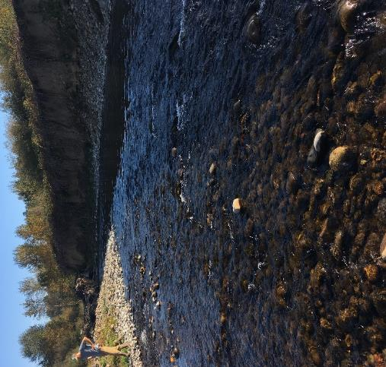
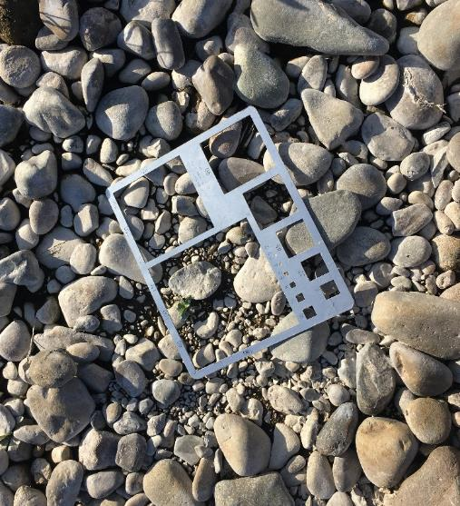

 | Distribution Statistic Points (Percent Finer)
0.16 | D16 | 39.3 | mm
0.5 | D50 | 73.0 | mm
0.84 | D84 | 118.1 | mm
 |  | Assumes a linear interpolation
 | Pebble Count Data
 | Count | Percent Finer
< 2 |  | 0%
2 - 4 |  | 0%
4 - 5.6 |  | 0%
5.6 - 8 |  | 0%
8 - 11 | 1 | 0%
11 - 16 | 1 | 1%
16 - 22.6 | 1 | 2%
22.6 - 32 | 4 | 3%
32 - 45 | 16 | 7%
45 - 64 | 18 | 23%
64 - 90 | 26 | 41%
90 - 128 | 23 | 67%
128 - 180 | 7 | 90%
180 - 256 | 3 | 97%
> 256
 | Class (Wentworth) | Size Class (mm) | Count | Percent Finer
1 | Sand | < 2 |  | 0%
2 | Very Fine Gravel | 2 - 4 |  | 0%
4 | Fine Gravel | 4 - 5.6 |  | 0%
5.6 | Fine Gravel | 5.6 - 8 |  | 0%
8 | Medium Gravel | 8 - 11 | 1 | 0%
11 | Medium Gravel | 11 - 16 | 1 | 1%
16 | Coarse Gravel | 16 - 22.6 | 1 | 2%
22.6 | Coarse Gravel | 22.6 - 32 | 4 | 3%
32 | Very Coarse Gravel | 32 - 45 | 16 | 7%
45 | Very Coarse Gravel | 45 - 64 | 18 | 23%
64 | Small Cobble | 64 - 90 | 26 | 41%
90 | Small Cobble | 90 - 128 | 23 | 67%
128 | Large Cobble | 128 - 180 | 7 | 90%
180 | Small Boulders | 180 - 256 | 3 | 97%
256 | Boulders | > 256 |  | 100%
 |  | Total | 100

JE1
 | Sediment Grain Size Analysis
 | EF Lewis River | Stream |  |  | 2018-10-18 | Date |  | KM / Niko | Personnel
 | JE1 | Identifier / Unit |  |  |  | Location
 | Riffle | Longitudinal Description (Pool, Riffle, Bend, Crossing, etc.) |  |  | 45.817832 | Latitude or Northing
 | Surface | Sample Type: Surface or Sub-surface |  |  | -122.623838 | Longitude or Easting
 | Cobble / Gravel | Dominant / Subdominant Substrate |  |  |  | Waypoint

 | Notes
 | Coarse inundated riffle/bar unit, large redd upstream in tailout |  |  | Photo | field_6-20181018-215000.jpg |  | Photo | field_4-20181018-214854.jpg
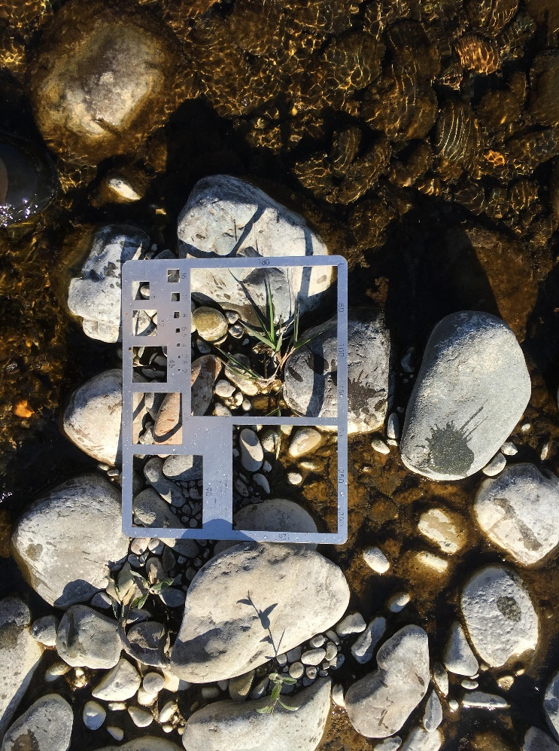
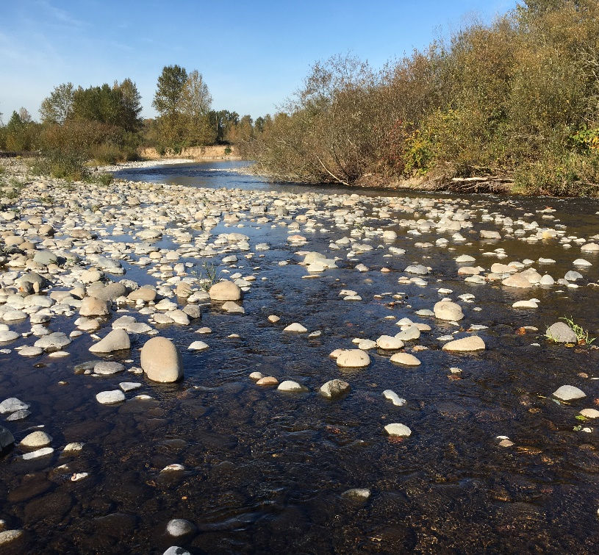

 | Distribution Statistic Points (Percent Finer)
0.16 | D16 | 29.8 | mm
0.5 | D50 | 55.0 | mm
0.84 | D84 | 108.3 | mm
 |  | Assumes a linear interpolation
 | Pebble Count Data
 | Count | Percent Finer
< 2 |  | 0%
2 - 4 |  | 0%
4 - 5.6 | 1 | 0%
5.6 - 8 |  | 1%
8 - 11 | 3 | 1%
11 - 16 | 1 | 4%
16 - 22.6 | 5 | 5%
22.6 - 32 | 7 | 10%
32 - 45 | 20 | 18%
45 - 64 | 21 | 39%
64 - 90 | 13 | 60%
90 - 128 | 20 | 74%
128 - 180 | 5 | 95%
180 - 256 |  | 100%
> 256
 | Class (Wentworth) | Size Class (mm) | Count | Percent Finer
1 | Sand | < 2 |  | 0%
2 | Very Fine Gravel | 2 - 4 |  | 0%
4 | Fine Gravel | 4 - 5.6 | 1 | 0%
5.6 | Fine Gravel | 5.6 - 8 |  | 1%
8 | Medium Gravel | 8 - 11 | 3 | 1%
11 | Medium Gravel | 11 - 16 | 1 | 4%
16 | Coarse Gravel | 16 - 22.6 | 5 | 5%
22.6 | Coarse Gravel | 22.6 - 32 | 7 | 10%
32 | Very Coarse Gravel | 32 - 45 | 20 | 18%
45 | Very Coarse Gravel | 45 - 64 | 21 | 39%
64 | Small Cobble | 64 - 90 | 13 | 60%
90 | Small Cobble | 90 - 128 | 20 | 74%
128 | Large Cobble | 128 - 180 | 5 | 95%
180 | Small Boulders | 180 - 256 |  | 100%
256 | Boulders | > 256 |  | 100%
 |  | Total | 96

BP1
 | Bank Profile
 | EF Lewis River | Stream |  | 2018-10-18 | Date |  | JE | Personnel
 | BP1 | Identifier / Unit |  |  | Location
 | Notes: Outside of bend in new avulsion at the top of the pits reach |  |  | 45.819611 | Latitude or Northing
 |  |  |  | -122.626694 | Longitude or Easting
 |  |  |  |  | Waypoint

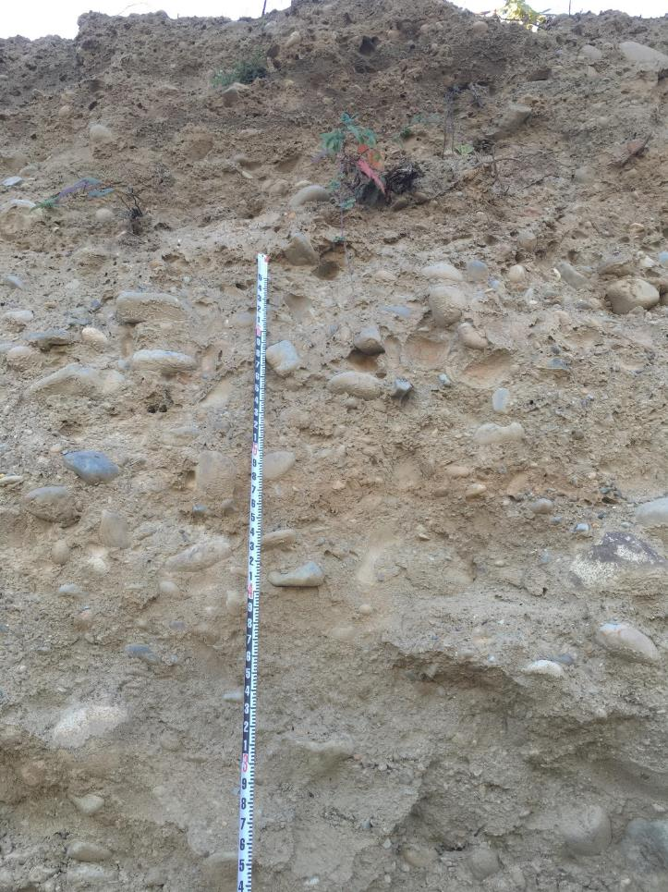
 |  |  |  |  |  | Photo | field_6-20181018-220730.jpg
 | Profile Range (ft) | Description
 | 4-14 | sand /gravel with cobble
 | 0-4 | sand/gravel with cobble at surface

 |  | Photo | field_4-20181018-220649.jpg
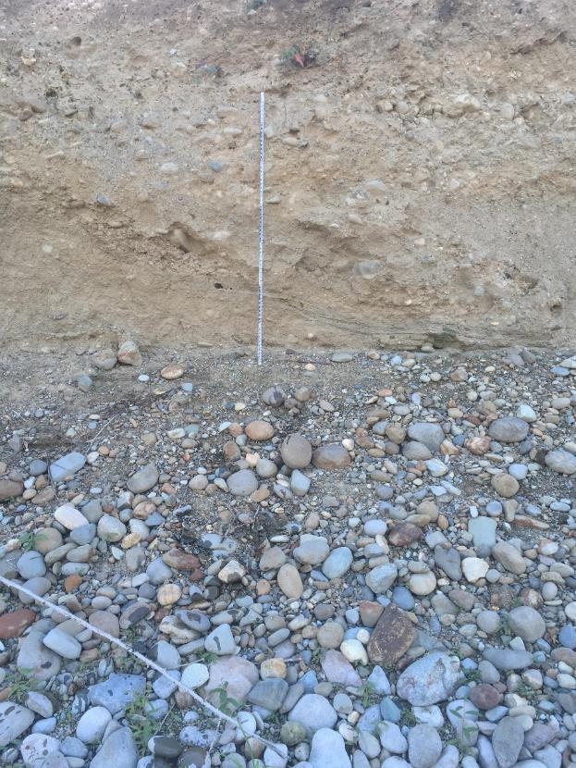

0.16
0.5
0.84

1
2
4
5.6
8
11
16
22.6
32
45
64
90
128
180
256

BP2
 | Bank Profile
 | EF Lewis River | Stream |  |  | 2018-10-18 | Date |  | JE | Personnel
 | BP2 | Identifier / Unit |  |  |  | Location
 | Notes: Outside of bend in new avulsion at the top of the pits reach, Upstream of BP1 |  |  |  | 45.819466 | Latitude or Northing
 |  |  |  |  | -122.626459 | Longitude or Easting
 |  |  |  |  |  | Waypoint

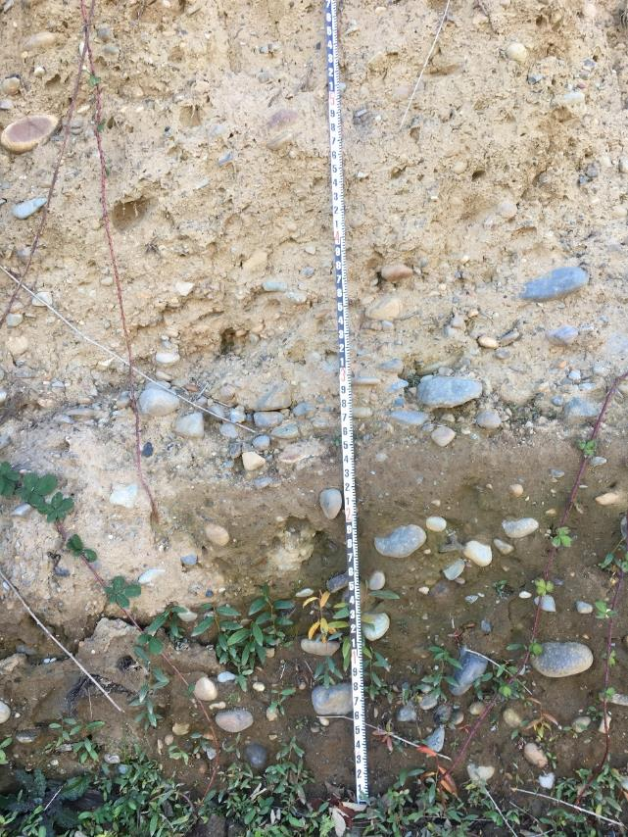
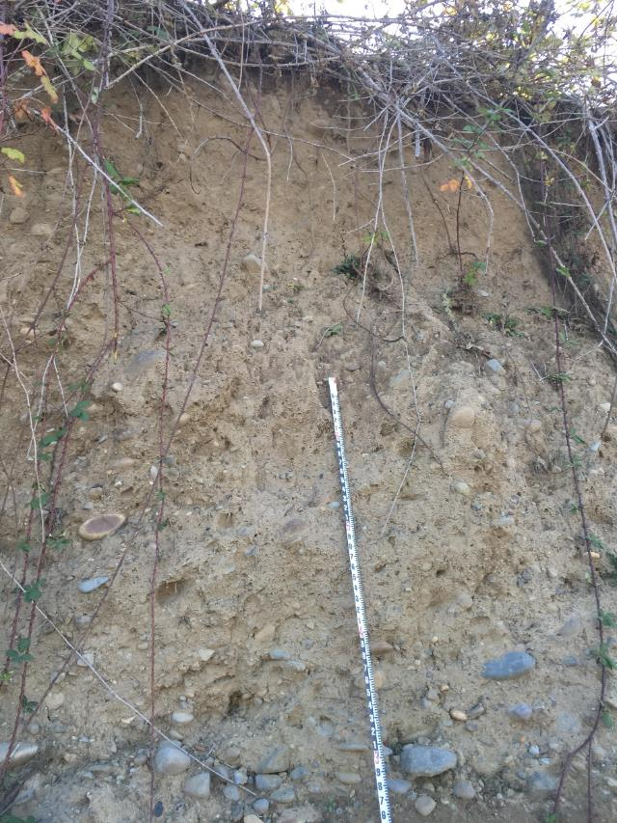
 |  |  | Photo | field_6-20181018-221448.jpg |  |  | Photo | field_4-20181018-221352.jpg
 | Profile Range (ft) | Description
 | 2-12 | silt/sand w cobble and gravel
 | 0-2 | cobble
 | 4:1 slope of cobble at toe

 | Photo field_5-20181018-221420.jpg

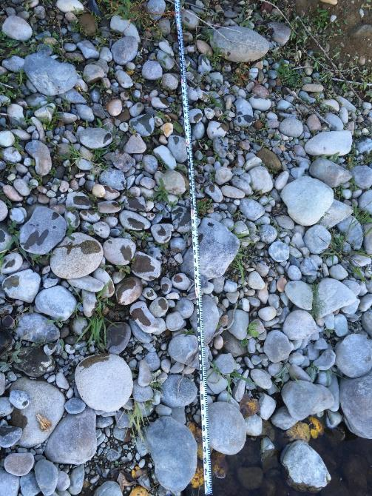
0.16
0.5
0.84

1
2
4
5.6
8
11
16
22.6
32
45
64
90
128
180
256

BP3
 | Bank Profile
 | EF Lewis River | Stream |  | 2018-10-18 | Date |  | JE | Personnel
 | BP3 | Identifier / Unit |  |  | Location
 | Notes: |  |  | 45.819741 | Latitude or Northing
 |  |  |  | -122.625944 | Longitude or Easting
 |  |  |  |  | Waypoint

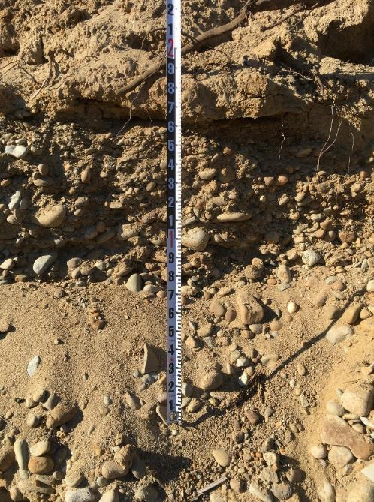
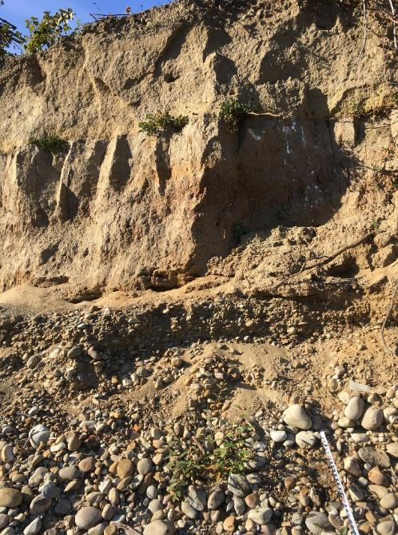
 |  |  | Photo | field_5-20181018-221856.jpg |  | Photo | field_12-20181018-222201.jpg
 | Profile Range (ft) | Description
 | 12-13 | Fines / Gravel / Sand
 | 9-12 | Sand /Silt
 | 5-9 | Silt / Sand
 | 0-5 | Alluvium

0.16
0.5
0.84

1
2
4
5.6
8
11
16
22.6
32
45
64
90
128
180
256

BP4
 | Bank Profile
 | EF Lewis River | Stream |  | 2018-10-18 | Date |  | JE | Personnel
 | BP4 | Identifier / Unit |  |  | Location
 | Notes: |  |  | 45.819796 | Latitude or Northing
 |  |  |  | -122.625783 | Longitude or Easting
 |  |  |  |  | Waypoint

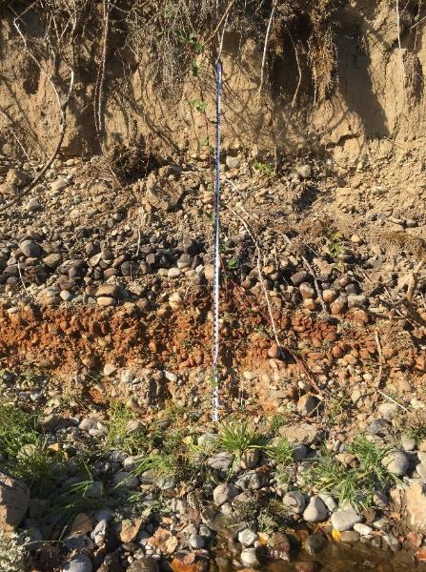
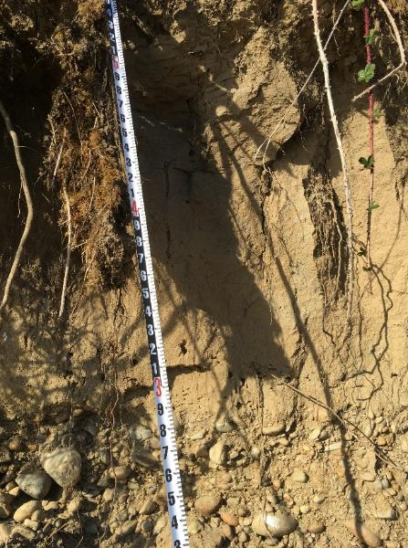
 |  |  | Photo | field_4-20181018-222838.jpg |  | Photo | field_6-20181018-223331.jpg
 | Profile Range (ft) | Description
 | 9.5-11 | soil
 | 7-9.5 | silt / sand
 | 4.5-7 | gravel / sand / cobble
 | 3.5-4.5 | Cobble w/ gravel (old riffle?)
 | 2-3.5 | Alluvium
 | 0-2 | Alluvium (red from iron)

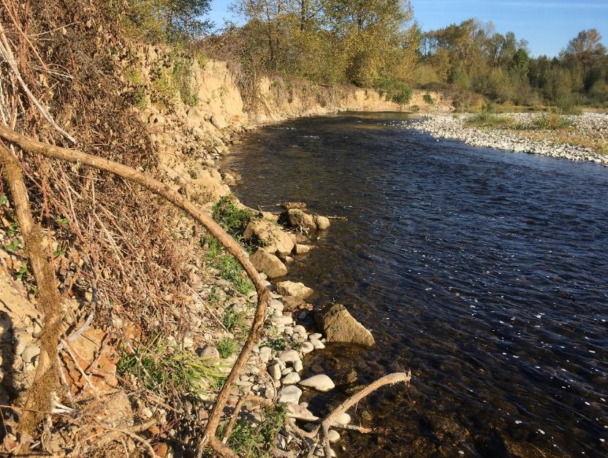
0.16
0.5 | Photo | field_12-20181018-223342.jpg
0.84

1
2
4
5.6
8
11
16
22.6
32
45
64
90
128
180
256

BP5
 | Bank Profile
 | EF Lewis River | Stream |  | 2018-10-18 | Date |  |  | JE | Personnel
 | BP5 | Identifier / Unit |  |  | Location
 | Notes: |  |  | 45.818971 | Latitude or Northing
 |  |  |  | -122.625728 | Longitude or Easting
 |  |  |  |  | Waypoint

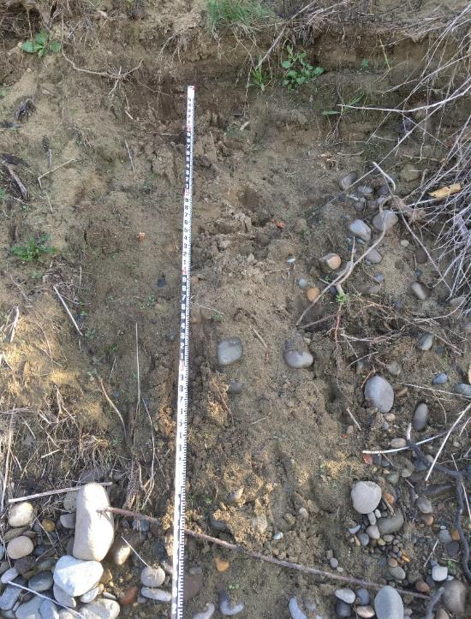
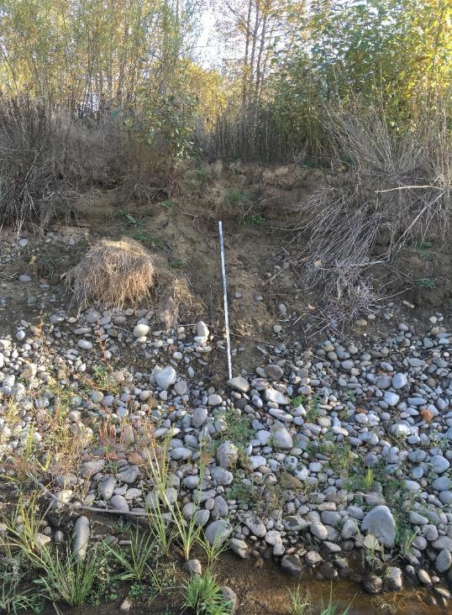
 |  |  | Photo | field_4-20181018-224851.jpg |  | Photo | field_6-20181018-224930.jpg
 | Profile Range (ft) | Description
 | 4-7 | Sand / Silt
 | 0-4 | Gravel / Sand

0.16
0.5 | Photo | field_5-20181018-224913.jpg
0.84
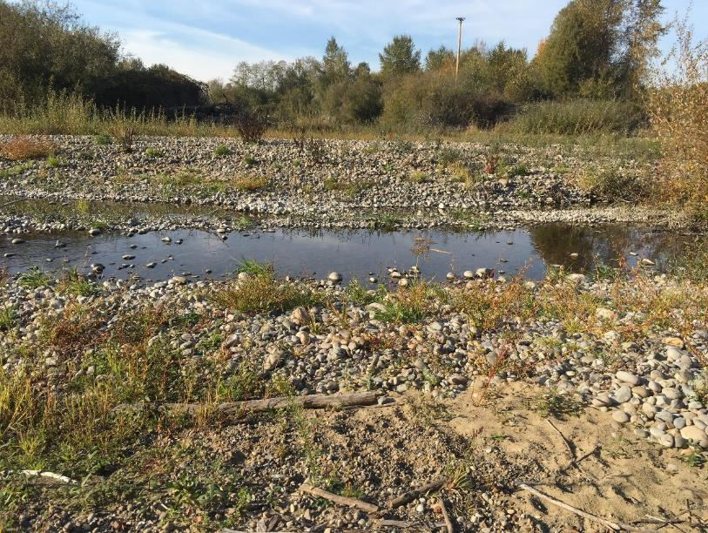

1
2
4
5.6
8
11
16
22.6
32
45
64
90
128
180
256

BP-KN3
 | Bank Profile
 | EF Lewis River | Stream |  |  | 2018-10-18 | Date |  | JE | Personnel
 | BP-KN3 | Identifier / Unit |  |  |  | Location
 | Notes: |  |  |  | 45.827254 | Latitude or Northing
 |  |  |  |  | -122.632613 | Longitude or Easting
 |  |  |  |  |  | Waypoint

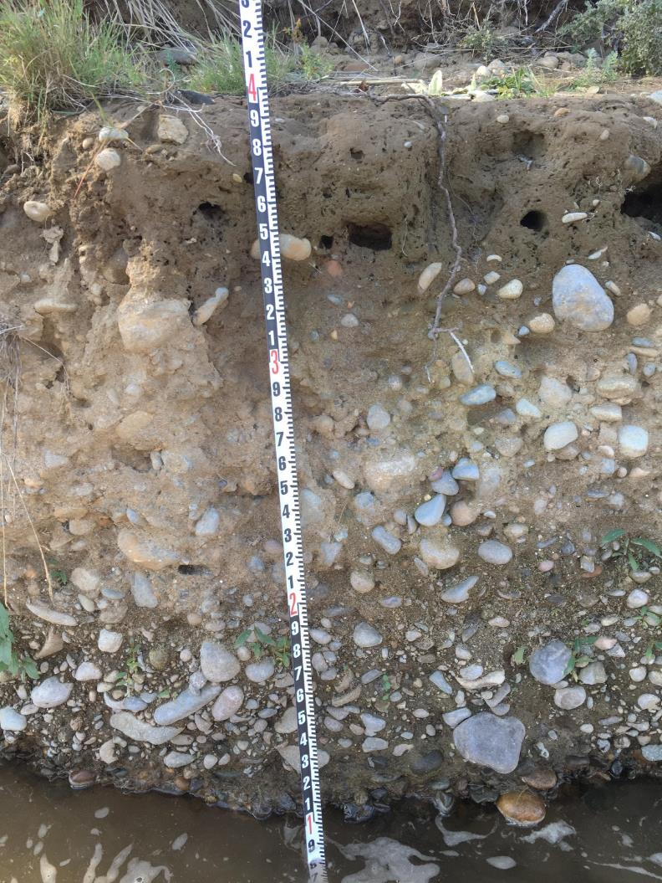
 |  |  |  |  |  |  | Photo | field_5-20181018-184741.jpg
 | Profile Range (ft) | Description
 | 5-6 | soil
 | 0-5 | alluvium
 |  |  | Photo | field_4-20181018-184732.jpg
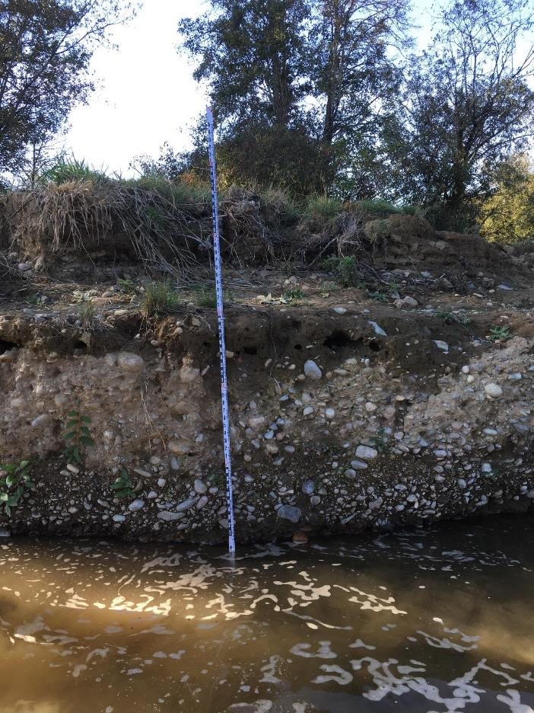

0.16
0.5
0.84

1
2
4
5.6
8
11
16
22.6
32
45
64
90
128
180
256

BP-KN4
 | Bank Profile
 | EF Lewis River | Stream | 2018-10-18 | Date |  | JE | Personnel
 | BP-KN4 | Identifier / Unit |  | Location
 | Notes: |  | 45.819796 | Latitude or Northing
 |  |  | -122.625783 | Longitude or Easting
 |  |  |  | Waypoint

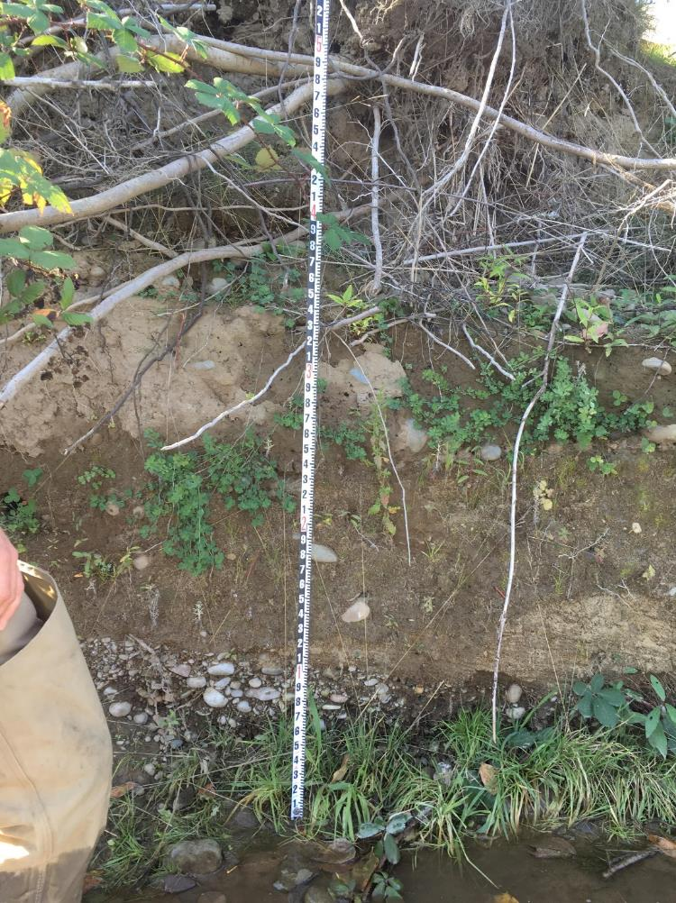
 |  |  |  |  | Photo | field_4-20181018-185426.jpg
 | Profile Range (ft) | Description
 | 5.5-7 | soil
 | 1-5.5 | silt / sand w/ some cobble
 | 0-1 | alluvium

 | Photo | field_5-20181018-185436.jpg

0.16
0.5
0.84

1
2
4
5.6
8
11
16
22.6
32
45
64
90
128
180
256

Summary
Subsurface Sediment
Type | Sample ID | D16 | D50 | D84 | RM
Sub-surface | PM1 | 2.9 | 6.3 | 16.4 | 9.8151515152
Sub-surface | PM4 | 2.6 | 4.7 | 24.4 | 8.4
Sub-surface | PM5 | 2.0 | 3.8 | 17.1 | 8.1568181818
Sub-surface | KN2 | -70.1 | #DIV/0! | -326.0 | 7.2363636364
Sub-Surface | KN6 | 7.7 | 14.1 | 29.7 | 7.8410984848
Sub-Surface | KN8 | 2.8 | 16.9 | 39.2 | 7.9147727273
Surface | PM1-Surface | 15.8 | 59.0 | 125.9 | 9.8081439394
Surface | PM2-Surface | 11.0 | 57.7 | 100.9 | 9.3278409091
Surface | PM3-Surface | 1.8 | 24.0 | 73.4 | 9.0102272727
Surface | PM4-Surface | 25.1 | 60.7 | 150.2 | 8.4
Surface | PM5-Surface | 1.8 | 10.5 | 37.4 | 8.1568181818
Surface | PM6-Surface | 1.4 | 11.0 | 78.8 | 8.6
Surface | KN1 | 24.3 | 42.8 | 72.0 | 7.2335227273
Surface | KN2 | 28.4 | 45.7 | 73.5 | 7.2363636364
Surface | KN5 | 20.4 | 33.9 | 57.4 | 7.8159090909
Surface | KN7 | 29.8 | 50.1 | 80.4 | 7.9
Surface | KN9 | 28.5 | 48.2 | 81.3 | 7.8659090909
Surface | KN10 | 39.3 | 73.0 | 118.1 | 7.8348484848
Surface | JE1 | 29.8 | 55.0 | 108.3 | 8.0420454545
 | KN3 |  |  |  | 7.2651515152
 | KN4 |  |  |  | 7.271969697

Surface Sediment

